BUGS
N | Summary | Severity\Priority | Precondition | STR | Actual result | Expected result | Attachment | Comments
1 | The username isn't changed in the upper-right corner on the app web-pages after changing username data in "Personal Details" block | Minor | 1. Personail details page is opened | 1. Click on the Edit button in the "Personail details" block 2. Change "First name" textfield 3. Click on the "Save" button | The username isn't changed in the upper-right corner on the app web-pages После повторного логина исправляется | The username is changed in the upper-right corner on the app web-pages
2 | Future date is applied in "Date of birth" after inputting (or selecting from "Calendar") on the PersonalDetail block page | Major | 1. Personail details page is opened | 1. Click on the Edit button in the "Personail details" block 2. Change "Date of Birth" on future date (Ex. 2222-10-16) 3. Click on the "Save" changes | Future date is applied for the "Date of Birth" textfield | 1. Future date isn't applied for the "Date of Birth" textfield 2. Error message is shown
3 | "License Expiry Date" can't be older then "Date of birth" on the PersonalDetail block page | Major | 1. Personail details page is opened | 1. Click on the "Edit" button in the "Personail details" block 2. Input date in "Date of Birth" (Ex.1996-02-29) 3. Input date in "License Expiry Date"older then "Date of Birth" (Ex.1895-04-29) 4. Click on the "Save" changes | 1. "License Expiry Date" can be older then "Date of birth" 2. All inputed dates are applied | 1. "License Expiry Date" can't be older then "Date of birth" 2. Error message is shown | 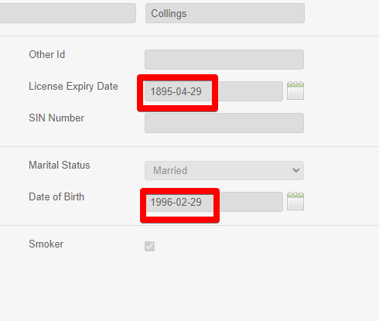
4 | "Dashboard" module is opened instead of "My Info" module after loging from "Login" page for the first time | Minor | 1. Login page is opened 2. User isn't autorized earlier | 1. Input valid login\password in corresponding fields (Ex. Admin, admin1234) 2. Click on "Login" button | Dashboard is opened | "Personal Details" block from the "My Info" module is opened
5 | The placeholder is absent for login and password fields after inputing data only in login or password field | Trivial | 1. Login page is opened | 1. Input data on login textfield (or only in password textfield) | The placeholder is absent for login and password textfields | The placeholder is absent for fields with inputed data
6 | The "OrangeHrm" image is clipped at the bottom on the Login page | Trivial |  | 1. Open Login page | The "OrangeHrm" image is clipped | The "OrangeHrm" image is fully displayed |  | Картинку можно менять в админке, так что это не баг!
7 | Unstable date format on the Personal Details page | Major |  | 1. Open Personal Details page | Format date: Wednesday, 08-Oct-1975 | Format date: "yyyy-mm-dd" | 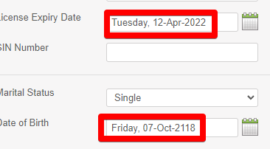
8 | "Choose file" modal window is opened after clicking near the "Выберите файл" button | Trivial | 1.Photograph block is opened | 1. Click to the right of "Выберите файл " button area (On the "Файл не выбран" title) | "Choose file" modal window is opened | Unactive area around the button
9 | Textfield instead of DDM for State/Province at the Contact details page | Minor |  | 1. Open Contact details page | Textfield for State/Province | DDM for State/Province
10 | It's unclear to user that telephone is required field Improvement: Add information about required fields on the "Emergency Contacts" block | Major | 1. "Emergency Contacts" page is opened | 1. Click on the Add button on the Assigned Emergency Contacts block 2. Complete "Name *" textfield 3. Complete "Relationship *" textfield 4, Click on the "Save" button | ""Home Telephone"", "Mobile","Work Telephone" fields are shown as unrequired | "At least one phone number is requred" message is shown after leaving ""Home Telephone"", "Mobile","Work Telephone" fields empty
11 | Improvement: Add "spaces" in "Allows numbers and only + - / ( )" notwhenication | Trivial |  | 1. Open page including telefone field (Ex "Emergency Contacts" page) 2. Input invalid value (Ex. letter) | "Allows numbers and only + - / ( )" message | "Allows numbers, spaces and only + - / ( )" message
12 | Improvement: Change "Relationships" textfield on DDM with DDL values on the Add Emergency contact block at the Emergency Contact page | Major |  | 1. Open https://opensource-demo.orangehrmlive.com/index.php/pim/viewEmergencyContacts/empNumber/7 2. Click on the "Add" button on the Assigned Emergency Contacts block |  |  | 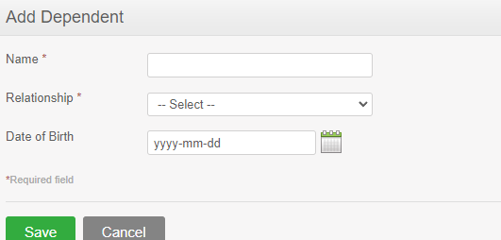
13 | "Expiry Date" can't be older then "Issued Date" on the Dependents block page | Minor | 1. "Add Work Experience" block page is opened | 1. Input date in "Expiry Date" 2, Input date in "Issued Date" older than inputed date in "From" date in Step1 |  | Some validation message is shown
14 | "To" can't be older then "From" date textfield on the "Add Work Experience" block page | Minor | 1. "Add Work Experience" block page is opened | 1. Input date in "From" 2, Input date in "To" older than inputed date in "From" date in Step1 |  | Some validation message is shown
15 | Improvement: Make "Commet" or "Comments" simular on the all app pages | Trivial |  |  |  |  | 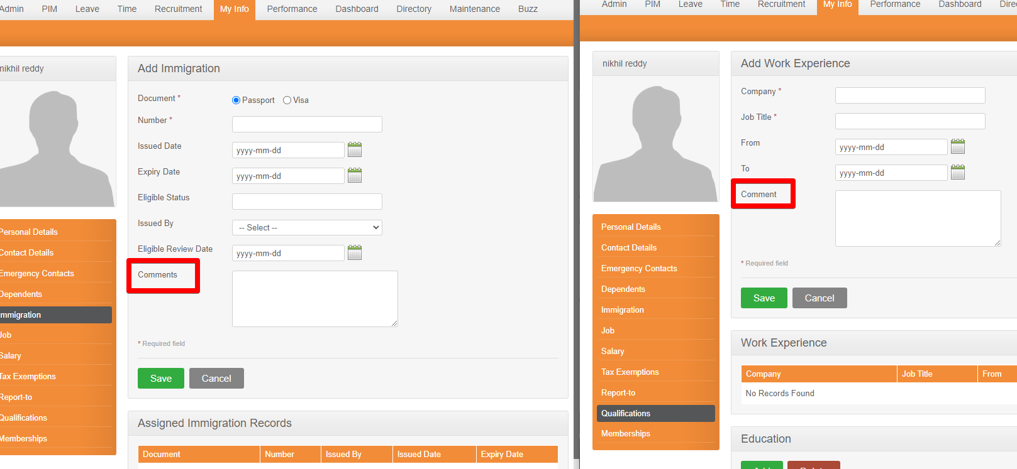
16 | ?????? как добавить зп в поле on the Assigned Salary Components чтобы проверить кейсы с edit? Attachments doesn't work
17 | "Tax Exemptions" page is absent in the requirments, but there is in OrangeHrm-MyInfo | Minor |  | 1. Open MyInfo module | There is "Tax Exemptions" vertical menu at the "My Info module" app pages | Tax Exemptions page is absent in req
18 | Admin can't make changes on the "Job" block page Attachments doesn't work on the "Job" block page | Major | 1. "Job" block page is opened 2. Admin is autorized | 1. Try to edit textfield or DDM | Admin can't make changes. Admin can't add "Attachment" | Admin can make changes Admin can't add "Attachment"
19 | Attachments couldn't be added by Admin on the "Report To" block page | Major | 1. "Report To" block page is opened 2. Admin is autorized | 1. Add attachment | Admin can't add "Attachment" on the "Report To" block page | Admin can't add "Attachment" on the "Report To" block page
20 | Пробелы не обрезаются в начале и в конце в поле "Subscription Amount" field at the "Add Membership" block page | Minor | 1. Membership block is opened in edit mode | 1. Input number plus space in "Subscription Amount" field at the Add Membership block page | 1. "Should be a number" message is shown | 1. The spaces is validated and deleted after clicking "Save" button
21 | Один раз была надпись "альтернативный вход" on the Login page | Minor
22 | "Failed to save: File size Exceedeed" message is shown when uploading 1023 kbyte attachment on the "Add attachment" page | Major | 1. Page exicting "Add Attachment" block from "My Info module" is opened | 1.Upload 1023kbyte file | "Failed to save: File size Exceedeed" message is shown | "Successfully saved" message is shown |  | 0.9mb это 922kbyte uploading sucessfully 0.98-failed
23 | Question User can upload 6 attachments max

3. Login
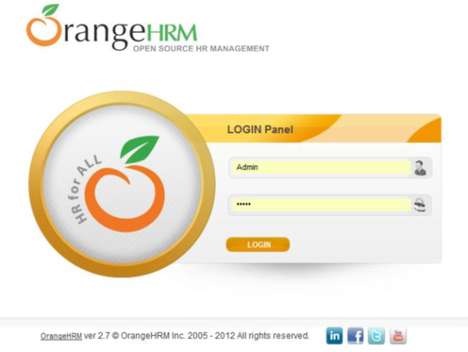
"Login Panel" page
ID | Module | Test Summary | Preconditions | Steps to Reproduce | Expected result | Priority | Status | Comments
1 | General | "Login Panel" page is opened using loginig from "Login" page |  | 1. Open "Login Panel" page | "Login Panel" page is opened | High | Passed
2 |  | "Login Panel" page corresponds to mockup |  | 1. Open "Login Panel" page | "Login Panel" page corresponds to the mockup | Low | Failed | нет в требованиях Forgot your password?
3 | Login field | Inputed login is shown at login textfield | 1."Login Panel" page is opened | 1. Input login in login field | Inputed login is shown at login textfield | High | Passed
4 |  | Username placeholder is shown as default | 1."Login Panel" page is opened |  | Username placeholder is shown | Low | Passed
5 |  | Username placeholder is absent after inputing some value in "Username" textfield | 1."Login Panel" page is opened | 1. Input some value in login field | Username placeholder is absent | Low | Passed
6 |  | кейсы с валидацией, но у нас нет требований пробел в начале пробел в конце разный регистр для букв |  |  |  |  |  | какие именно кейсы?
 | Password textfield | Inputed value is shown at password textfield | 1."Login Panel" page is opened | 1.Input any value in password field | INputed value is shown at password textfield | High | Passed
 |  | Inputed value is shown like dots at password textfield | 1."Login Panel" page is opened | 1.Input any value in password field | Inputed value is shown like dots at password textfield | Medium | Passed
8 |  | "Password" placeholder is shown as default | 1."Login Panel" page is opened |  | "Password" placeholder is shown | Low | Passed
9 |  | "Password" placeholder is absent after inputing some value in "Password" textfield | 1."Login Panel" page is opened | 1.Input any value in password field | "Password" placeholder is absent | Low | Passed
10 |  | "Password" placeholder is shown after inputing some value in "Username" textfield | 1."Login Panel" page is opened | 1. Input some value in login field | "Password" placeholder is shown | Low | Failed
11 |  | кейсы с валидацией на min\max\invalid, но у нас нет требований пробел в начале пробел в конце разный регистр для букв копи-паст тк иногда не разрешен для пароля
12 | "Forgot your password" | "Forgot your password page" is opened after clicking on the "Forgot your password" link | 1."Login Panel" page is opened | 1. Click on the "Forgot your password" link | "Forgot your password" pahe is opened | Medium | Passed | нет в требованиях
13 | Authentwhenication | "My Info module" with "Personal Details" block is opened after logining first time with using valid login\password | 1."Login Panel" page is opened. 2.ESS-User account is created by the HR Admin with following creditians: Login: Admin Password: admin123 | 1.Input login in login field 2.Input password in password field 3.Click on the "LOGIN" button | REQ "My Info module" with "Personal Details" block is opened | High | Failed | AR: Открывается другая стр Dashboard module
14 |  | Personal Details page is opened after logining second time with using valid login\password | 1."Login Panel" page is opened. 2.ESS-User account is created by the HR Admin with following creditians: Login: Admin Password: admin123 | 1.Input login in login field 2.Input password in password field 3.Click on the "LOGIN" button 4. Click on the Account settings 5. Click on the "Logout" button 6. Repeat 1-3 steps | Personal Details page is opened | Medium | Failed | AR: Открывается другая стр Dashboard module
15 |  | "My Info module" with "Personal Details" block is opened after copy-pasted login data with using valid login\password | 1."Login Panel" page is opened. 2.ESS-User account is created by the HR Admin with following creditians: Login: Admin Password: admin123 | 1.Copy-Paste login in login field 2.Copy-Paste password in password field 3.Click on the "LOGIN" button | REQ "My Info module" with "Personal Details" block is opened | Low | Failed | AR: Открывается другая стр Dashboard module
17 |  | "Invalid credentials" message is shown after logining with using valid login and invalid password | 1."Login Panel" page is opened. 2.ESS-User account is created by the HR Admin with following creditians: Login: Admin Password: admin123 | 1.Input invalid login in login field 2.Input password in password field 3.Click on the "LOGIN" button | "Invalid credentials" message is shown | Medium | Passed
18 |  | "Invalid credentials" message is shown after logining with using valid login and invalid password | 1."Login Panel" page is opened. 2.ESS-User account is created by the HR Admin with following creditians: Login: Admin Password: admin123 | 1.Input login in login field 2.Input invalid password in password field 3.Click on the "LOGIN" button | "Invalid credentials" message is shown | Medium | Passed
19 |  | "Username cannot be empty" message is shown when trying to login using empty login and valid password | 1."Login Panel" page is opened. 2.ESS-User account is created by the HR Admin with following creditians: Login: Admin Password: admin123 | 1.Input valid password in password field 2.Click on the "LOGIN" button | "Username cannot be empty" message is shown | Medium | Passed
20 |  | "Password cannot be empty" message is shown when trying to login using valid login and empty password | 1."Login Panel" page is opened. 2.ESS-User account is created by the HR Admin with following creditians: Login: Admin Password: admin123 | 1.Input login in login field 2.Click on the "LOGIN" button | "Password cannot be empty" message is shown | Medium | Passed
21 |  | "Invalid credentials" message is shown after authentwhenication with using edited by the HR Admin password | 1.ESS-User account is created by the HR Admin Login: Admin Password: admin 2.ESS-User account is edited by the HR Admin Login: Admin Password: admin12311111 3."Login Panel" page is opened. | 1.Input login in login field 2.Input password in password field 3.Click on the "LOGIN" button | "Invalid credentials" message is shown | Low | Passed | попытка зайти под измененным админом логином\паролемa Предложил бы такое сообщение "Password was modwhened by Admin message" is shown | для админа нельзя из-за окружения, сделал для другого юзера
22 | Bottom navigation | OrangeHRM page is opened after clicking on the OrangeHRM link | "Login Panel" page is opened | 1. Click on OrangeHRM link | OrangeHRM page is opened | Low | Passed
23 |  | LinkedIn page is opened after clicking on the "In" icon | "Login Panel" page is opened | 1. Click on the "In" icon | LinkedIn page is opened | Low | Passed
24 |  | Facebook page is opened after clicking on the "F" icon | "Login Panel" page is opened | 1. Click on the "F" icon | Facebook page is opened | Low | Passed
25 |  | Twitter page is opened after clicking on the "t" icon | "Login Panel" page is opened | 1. Click on the "t" icon | Twitter page is opened | Low | Passed
26 |  | Youtube page is opened after clicking on the "Youtube" icon | "Login Panel" page is opened | 1. Click on the "Youtube" icon | Youtube page is opened | Low | Passed

3.1.3 Contact Details
Contact details
ID | Module | Test Summary | Preconditions | Steps to Reproduce | Expected result | Priority | Status | Comments
1 | General | "Contact details" block is shown after clicking on“Contact Details” item in vertical menu at the app pages | 1. User is autorized | 1. Click on the "Contact details" item in menu | "Contact details" block is shown | High | Passed
2 |  | "Contact details" block corresponds to mockup |  | 1. Open "Contact details" block | "Contact details" block is corresponded to the mockup | Low | Failed
3 |  | when the country is United States user can enters data manually |  | 1. Input data in State\Province DDM | Inputed data are applyed as DDM name | Medium | Failed | when the country is United Sates you can select from the drop down or you need to enter it manually Каким образом мне внести страну вручную????? Плохое требование!
 |  | Changes can be saved while all fields are empty on the Contact details page | 1. "Contact details" block is in edit mode. | 1. Make all fields empty ("--Select--" for Country) | 1. Changes is saved 2. "Sucessfully saved" message is hown | Medium | Passed
4 | Address Street1 | Inputed data are saved for "Address Street1" textfield while using valid data | 1. "Contact details" block is in edit mode. | 1. Input data (Ex. Green Street) in "Address Street1" textfield 2. Click on the "Save" button | Inputed "Address Street1" data are shown in "Address Street1" textfield after saving | High | Passed | no validation req
5 |  | Changes are saved for "Address Street1" textfield while using valid data | 1. "Contact details" block is in edit mode. | 1. Input valid data (Ex. Proletarskaja) in "Address Street1" textfield 2. Click on the "Save" button 3. Edit inputed data 4. Click on the "Save" button | Changed "Address Street1" data are shown in "Address Street1" textfield after saving | High | Passed
 |  | Changes can be saved while "Address Street1" textfield is empty | 1. "Contact details" block is in edit mode. | 1. Make "Address Street1" textfield empty 2. Click on the "Save" button | Changes can be saved | Low | Passed
6 | Address Street2 | Inputed data are saved for "Address Street2" textfield while using valid data | 1. "Contact details" block is in edit mode. | 1. Input data (Ex. Blue Street) in "Address Street2" textfield 2. Click on the "Save" button | Inputed "Address Street2" data are shown in "Address Street2" textfield after saving | High | Passed | no validation req
7 |  | Changes are saved for "Address Street2" textfield while using valid data | 1. "Contact details" block is in edit mode. | 1. Input valid data (Ex. Sovetskaja) in "Address Street2" textfield 2. Click on the "Save" button 3. Edit inputed data 4. Click on the "Save" button | Changed "Address Street2" data are shown in "Address Street2" textfield after saving | High | Passed
8 |  | "Already exists" message is shown when Address Street2 equals Address Street1 | 1. Valid data are inputed (Ex. Sovetskaja) in "Address Street2" textfield | 1. Input valid data (Ex. Sovetskaja) in "Address Street2" textfield equals to the "Address Steert1" 2. Click on the "Save" button | "Already exists" message is shown | Low | Passed
9 | City | Inputed data are saved for "City" textfield while using valid data | 1. "Contact details" block is in edit mode. | 1. Input data (Ex. Grodno) in "City" textfield 2. Click on the "Save" button | Inputed "City" data are shown in "City" textfield after saving | High | Passed | no validation req
10 |  | Changes are saved for "City" textfield while using valid data | 1. "Contact details" block is in edit mode. | 1. Input valid data (Ex. Moscow) in "City" textfield 2. Click on the "Save" button 3. Edit inputed data 4. Click on the "Save" button | Changed "City" data are shown in "City" textfield after saving | High | Passed
11 | State/Province | copy\paste |  |  |  |  | Failed | уточнил бы: textfield or DDM
12 | Zip\Postal code | Inputed data are saved for "Zip\Postal code" textfield while using valid data | 1. "Contact details" block is in edit mode. | 1. Input data (Ex. 2323232 in "Zip\Postal code" textfield 2. Click on the "Save" button | Inputed "Zip\Postal code" data are shown in "Zip\Postal code" textfield after saving | High | Passed
13 |  | Changes are saved for "Zip\Postal code" textfield while using valid data | 1. "Contact details" block is in edit mode. | 1. Input valid data (Ex. Q25698) in "Zip\Postal code" textfield 2. Click on the "Save" button 3. Edit inputed data 4. Click on the "Save" button | Changed "Zip\Postal code" data are shown in "Zip\Postal code" textfield after saving | High | Passed
14 | Country | Selected list item is shown as "Country" DDM name after clicking on item in opened drop-down list | 1. "Contact details" block is in edit mode. | 1. Click on "Country" DDM 2. Select item from DDL | Selected list item is shown as "Country" DDM name | High | Passed
15 |  | "Country"DDM can be reseleted | 1. "Contact details block is in edit mode. 2. Item is selected in "Country" | 1. Click on "Country" DDM 2. Select item from DDL | Reselected list item is shown as "Country" DDM name | High | Passed
16 | "Home Telephone" | Inputed valid "Home Telephone" are saved for ""Home Telephone"" textfield while using valid data | 1. "Contact details" block is in edit mode. 2. Valid values: numbers and only + - / ( ) | 1. Input data (Ex. +2323232) in ""Home Telephone"" textfield 2. Click on the "Save" button | Inputed ""Home Telephone"" data are shown in ""Home Telephone"" textfield after saving | High | Passed
17 |  | Changes are saved for ""Home Telephone"" textfield while using valid data | 1. "Contact details" block is in edit mode. | 1. Input valid data (Ex. +375(29)777 77 77) in ""Home Telephone"" textfield 2. Click on the "Save" button 3. Edit inputed data using valid data 4. Click on the "Save" button | Changed ""Home Telephone"" data are shown in ""Home Telephone"" textfield after saving | High | Passed
18 |  | "Allows numbers and only + - / ( )" message is shown under ""Home Telephone"" textfield while using invalid data |  | 1. Input valid data (Ex. +375(29)777 77 77) in ""Home Telephone"" textfield 2. Click on the "Save" button 3. Edit inputed data using invalid data (ex/ letters) 4. Click on the "Save" button | "Allows numbers and only + - / ( )" message is shown. Changes aren't saved Red borders for "Home Telephone" textfield | Medium | Passed
19 |  | Error message is shown when inputting only valid symbols without numbers in "Home Telephone" textfield |  | 1. Input only valid symbols in ""Home Telephone"" textfield (Ex ++++++) | Error message is shown | Low | Failed
20 | Mobile | Inputed valid "Home Telephone" are saved for "Mobile" textfield while using valid data | 1. "Contact details" block is in edit mode. 2. Valid values: numbers and only + - / ( ) | 1. Input data (Ex. +2323232 in "Mobile" textfield 2. Click on the "Save" button | Inputed "Mobile" data are shown in "Mobile" textfield after saving | High | Passed
21 |  | Changes are saved for "Mobile" textfield while using valid data | 1. "Contact details" block is in edit mode. | 1. Input valid data (Ex. +375(29)6565658) in "Mobile" textfield 2. Click on the "Save" button 3. Edit inputed data using valid data 4. Click on the "Save" button | Changed "Mobile" data are shown in ""Home Telephone"" textfield after saving | High | Passed
22 |  | "Allows numbers and only + - / ( )" message is shown under "Mobile" textfield while using invalid data |  | 1. Input valid data (Ex. +375(29)777 77 77) in "Mobile" textfield 2. Click on the "Save" button 3. Edit inputed data using invalid data (ex/ letters) 4. Click on the "Save" button | "Allows numbers and only + - / ( )" message is shown. Changes aren't saved Red borders for Mobile textfield | Medium | Passed
23 |  | Error message is shown when inputting only valid symbols without numbers on Mobile textfield |  | 1. Input only valid symbols in "Mobile" textfield (Ex ++++++) | Error message is shown | Low | Failed
24 | Work Telephone | Inputed valid "Home Telephone" are saved for "Work Telephone" textfield while using valid data | 1. "Contact details" block is in edit mode. 2. Valid values: numbers and only + - / ( ) | 1. Input data (Ex. +2323232 in "Work Telephone" textfield 2. Click on the "Save" button | Inputed "Work Telephone" data are shown in "Work Telephone" textfield after saving | High | Passed
25 |  | Changes are saved for "Work Telephone" textfield while using valid data | 1. "Contact details" block is in edit mode. | 1. Input valid data (Ex. +375(29)6565658) in "Work Telephone" textfield 2. Click on the "Save" button 3. Edit inputed data using valid data 4. Click on the "Save" button | Changed "Work Telephone" data are shown in "Work Telephone" textfield after saving | High | Passed
26 |  | "Allows numbers and only + - / ( )" message is shown under "Work Telephone" textfield while using invalid data |  | 1. Input valid data (Ex. +375(29)777 77 77) in "Work Telephone" textfield 2. Click on the "Save" button 3. Edit inputed data using invalid data (ex. letters) 4. Click on the "Save" button | "Allows numbers and only + - / ( )" message is shown. Changes aren't saved Red borders for Work Telephone textfield | Medium | Passed
27 |  | Error message is shown when inputting only valid symbols without numbers in Work Telephone textfield |  | 1. Input only valid symbols in "Work Telephone" textfield (Ex ++++++) | Error message is shown | Low | Failed
28 | Work email | Inputed valid Work email is saved for "Work Telephone" textfield while using valid data | 1. "Contact details" block is in edit mode. | 1. Input data (Ex. admin.76@example.com in "Work email" textfield 2. Click on the "Save" button | Inputed "Work email" data are shown in "Work email" textfield after saving | High | Passed
29 |  | Changes are saved for "Work email" textfield while using valid data | 1. "Contact details" block is in edit mode. | 1. Input valid data (Ex. admin333@example.com) in "Work email" textfield 2. Click on the "Save" button 3. Edit inputed data using valid data 4. Click on the "Save" button | Changed "Work email" data are shown in "Work email" textfield after saving | High | Passed
30 |  | "Expected format: admin@example.com" message is shown after inputting invalid email | 1. "Contact details" block is in edit mode. | 1. Input invalid data (Ex. adminexample.com, admin@.com, admin@example) in "Work email" textfield | "Expected format: admin@example.com" message is shown under Work email textfield | Low | Passed
31 | "Other email" | Inputed "Other email" telephone is saved for ""Other email"" textfield while using valid data | 1. "Contact details" block is in edit mode. | 1. Input data (Ex. admin-fff9@example.com in ""Other email"" textfield 2. Click on the "Save" button | Inputed ""Other email"" data are shown in ""Other email"" textfield after saving | High | Passed
32 |  | Changes are saved for "Work Telephone" textfield while using valid data | 1. "Contact details" block is in edit mode. | 1. Input valid data (Ex. admin@example.com) in "Work Telephone" textfield 2. Click on the "Save" button 3. Edit inputed data using valid data 4. Click on the "Save" button | Changed "Work Telephone" data are shown in "Work Telephone" textfield after saving | High | Passed
33 |  | "Expected format: admin@example.com" message is shown after inputting invalid email in "Other email" textfield | 1. "Contact details" block is in edit mode. | 1. Input invalid data (Ex. adminexample.com, admin@.com, admin@example) in ""Other email"l" textfield | "Expected format: admin@example.com" message is shown under ""Other email""textfield | Low | Passed
34 | Work and "Other email"s | "Already exist" message is shown after inputting data in emails textfield like "work email = "Other email"" | 1. Contact details block is opened | 1. Click on the "Edit" button 2. Input email in Work Email textfield (Ex. paul1@osohrm.com) 3. Input email in "Other email" textfield (Ex. paul1@osohrm.com) 4. Click "Save" button | "Already exist" message is shown | Medium | Passed
35 | Attachments | copy\paste from 3.1.1

 |  |  | str 7
 |  |  | Исходя из логики улица не должна быть заполнена, если не выбран город, тк город включает в себя улицу, дом, квартиру и тп. В требованиях ничего такого нет
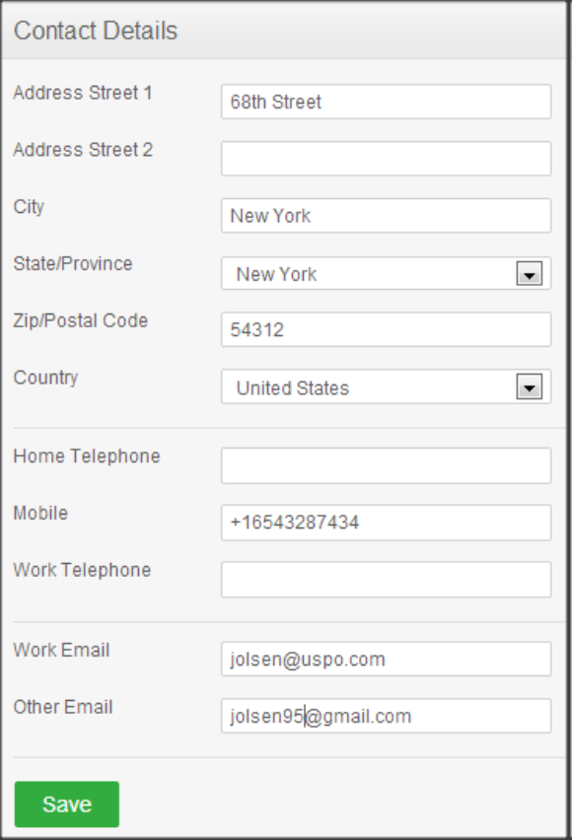

 |  |  | State-Province поле для ввода-выпадающее меню

3.1.4 Emergency Contact
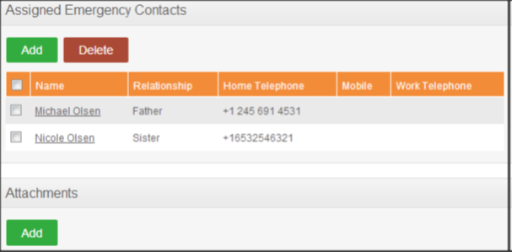
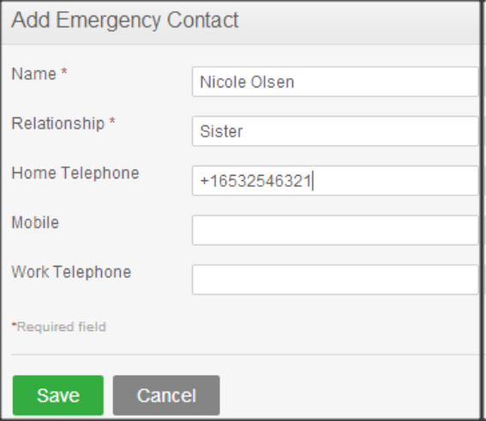
Add Emergency Contact
ID | Module | Test Summary | Preconditions | Steps to Reproduce | Expected result | Priority | Status | Comments
1 | General | "Emergency Contact" block is shown after selecting “Emergency Contacts” on the “Personal” column pages |  | 1. Click on the "Emergency Contact" string in menu | "Emergency Contact" block is opened | High | Passed
2 |  | "Emergency Contact" block is shown after clicking on "Add" button at the Assigned Emergency Contacts block |  | 1. Click on "Add" button at the Assigned Emergency Contacts block | "Emergency Contact" block is shown | High | Passed
3 |  | "Emergency Contact" block corresponds to mockup |  | 1. Open "Emergency Contact" block | "Emergency Contact" block is corresponded to the mockup | Low | Passed
5 |  | "At least one phone number is required" message is shown when leaving tel textfields empty | 1.Emergency Contact block is opened | 1. Resolve "Name*" textfield 2. Resolve "Relationships*" textfield 3. Click on the "Save" button | "At least one phone number is required" message is shown | Medium | Failed | не указано в требованиях. Интуитивно непонятно

6 | Name | Inputed data are saved for "Name" textfield while using valid data | 1.Emergency Contact block is opened in edit mode | 1. Input valid data (Ex. Jack) in "Name" textfield 2. Click on the "Save" button | Inputed "Name" data are shown in "Name" textfield after saving | High | Passed
7 |  | Changes are saved for "Name" textfield while using valid data | 1.Emergency Contact block is opened in edit mode | 1. Input valid data (Ex. Jack) in "Name" textfield 2. Click on the "Save" button 3. Edit inputed data 4. Click on the "Save" button | Changed "Name" data are shown in "Name" textfield after saving | High | Passed
8 |  | "Required" message is shown when "Name" textfield is empty | 1.Emergency Contact block is opened in edit mode | 1. Make "Name" textfield empty | "Required" message is shown under the "Name" textfield | Low | Passed
9 |  | "Required" message is absent after filling in empty "Name" textfield with valid data | 1.Emergency Contact block is opened in edit mode | 1. Input valid data (Ex. Mike) in "Name" textfield 2. Click on the "Save" button | "Required" message is absent under the "Name" textfield | Low | Passed
10 |  | "Name" textfield border becomes red when "Name" textfield is empty | 1.Emergency Contact block is opened in edit mode | 1. Make "Name" textfield empty | "Name" textfield border is red | Low | Passed
11 |  | "Name" textfield border becomes default (grey) after filling in empty "Name" textfield with valid data | 1.Emergency Contact block is opened in edit mode | 1. Input valid data (Ex. Mark) in "Name" textfield 2. Click on the "Save" button | "Name" textfield border becomes default (grey) | Low | Passed
12 |  | Changes aren't saved when "Name" textfield is empty | 1.Emergency Contact block is opened in edit mode | 1. Make "Name" textfield empty 2. Click on the "Save" button | "Save" button isn't work when "Name" textfield is empty | High | Passed
13 |  | Changes aren't saved when "Name" textfield contain invalid data (Ex. only spaces) | 1.Emergency Contact block is opened in edit mode | 1. Input in "Name" textfield invalid data (Ex. 5 spaces) 2. Click on the "Save" button | "Save" button isn't work when "Name" textfield is empty "Name" textfield border is red. "Name" message is shown under the "Name" textfield | Medium | Passed
14 |  | Changes aren't saved when "Name" textfield contain invalid data (Ex. only spaces) and nonRequired field (Ex. ""Home Telephone"") contain valid data | 1.Emergency Contact block is opened in edit mode | 1. Input in "Name" textfield invalid data (Ex. 5 spaces) 2. Input valid data (Ex. +375298888888) in ""Home Telephone"" textfield 2. Click on the "Save" button | "Save" button isn't work when "Name" textfield is empty "Name" textfield border is red. "Name" message is shown under the "Name" textfield | Medium | Passed
15 | Relationships |  |  |  |  |  |  | Я бы предложил сделать выпадающее меню, тк нет такого огромного количество вариантов. А вводит значения неудобно Далее этот варинт реализован
16 | "Home Telephone" | Inputed valid "Home Telephone" are saved for ""Home Telephone"" textfield while using valid data | 1. "Emergency Contact block" block is in edit mode. 2. Valid values: numbers and only + - / ( ) ?space | 1. Input data (Ex. +2323232) in ""Home Telephone"" textfield 2. Click on the "Save" button | Inputed ""Home Telephone"" data are shown in ""Home Telephone"" textfield after saving | High | Passed | spaces???? в всплывающих нотификации их нет, но они работают. в требованиях показаны Статус Failed не ставил
17 |  | Changes are saved for ""Home Telephone"" textfield while using valid data | 1. "Emergency Contact block" block is in edit mode. | 1. Input valid data (Ex. +375(29)777 77 77) in ""Home Telephone"" textfield 2. Click on the "Save" button 3. Edit inputed data using valid data 4. Click on the "Save" button | Changed ""Home Telephone"" data are shown in ""Home Telephone"" textfield after saving | High | Passed
18 |  | "Allows numbers and only + - / ( )" message is shown under ""Home Telephone"" textfield while using invalid data |  | 1. Input valid data (Ex. +375(29)777 77 77) in ""Home Telephone"" textfield 2. Click on the "Save" button 3. Edit inputed data using invalid data (ex/ letters) 4. Click on the "Save" button | "Allows numbers and only + - / ( )" message is shown. Changes aren't saved Red borders for "Home Telephone" textfield | Medium | Passed
19 |  | Error message is shown when inputting only valid symbols without numbers in "Home Telephone" textfield |  | 1. Input only valid symbols in "Home Telephone" textfield (Ex ++++++) | Error message is shown | Low | Failed
20 | Mobile | Inputed valid "Home Telephone" are saved for "Mobile" textfield while using valid data | 1. "Emergency Contact block" block is in edit mode. 2. Valid values: numbers and only + - / ( ) | 1. Input data (Ex. +2323232) in "Mobile" textfield 2. Click on the "Save" button | Inputed "Mobile" data are shown in "Mobile" textfield after saving | High | Passed
21 |  | Changes are saved for "Mobile" textfield while using valid data | 1. "Emergency Contact block" block is in edit mode. | 1. Input valid data (Ex. +375(29)777 77 77) in "Mobile" textfield 2. Click on the "Save" button 3. Edit inputed data using valid data 4. Click on the "Save" button | Changed "Mobile" data are shown in "Mobile" textfield after saving | High | Passed
22 |  | "Allows numbers and only + - / ( )" message is shown under "Mobile" textfield while using invalid data |  | 1. Input valid data (Ex. +375(29)777 77 77) in "Mobile" textfield 2. Click on the "Save" button 3. Edit inputed data using invalid data (ex/ letters) 4. Click on the "Save" button | "Allows numbers and only + - / ( )" message is shown. Changes aren't saved Red borders for "Mobile" textfield | Medium | Passed
23 |  | Error message is shown after inputting only valid symbols without numbers in "Mobile" textfield |  | 1. Input only valid symbols in "Mobile" textfield (Ex ++++++) | Error message is shown | Low | Failed
24 | Work Telephone | Inputed valid "Home Telephone" are saved for "Work Telephone" textfield while using valid data | 1. "Emergency Contact block" block is in edit mode. 2. Valid values: numbers and only + - / ( ) | 1. Input data (Ex. +2323232) in "Work Telephone" textfield 2. Click on the "Save" button | Inputed "Work Telephone" data are shown in "Work Telephone" textfield after saving | High | Passed
25 |  | Changes are saved for "Work Telephone" textfield while using valid data | 1.Emergency Contact block is opened in edit mode | 1. Input valid data (Ex. +375(29)777 77 77) in "Work Telephone" textfield 2. Click on the "Save" button 3. Edit inputed data using valid data 4. Click on the "Save" button | Changed "Work Telephone" data are shown in "Work Telephone" textfield after saving | High | Passed
26 |  | "Allows numbers and only + - / ( )" message is shown under "Work Telephone" textfield while using invalid data |  | 1. Input valid data (Ex. +375(29)777 77 77) in "Work Telephone" textfield 2. Click on the "Save" button 3. Edit inputed data using invalid data (ex/ letters) 4. Click on the "Save" button | "Allows numbers and only + - / ( )" message is shown. Changes aren't saved Red borders for "Work Telephone" textfield | Medium | Passed
27 |  | Error message is shown after inputting only valid symbols without numbers in "Work Telephone" textfield |  | 1. Input only valid symbols in "Work Telephone" textfield (Ex ++++++) | Error message is shown | Low | Failed
28 | Changes | Emergency contact details changes are saved |  | 1. Change textfield data 2. Click "Save" button | 1. Changes are saved | High | Passed
29 |  | Emergency contact details changes are shown at the Assigned Emergency Contacts block | 1. Changes are saved | 1. Open Assigned Emergency Contacts block | 1. Changes are shown | High | Passed
30 |  | Emergency contact details changes can be canceled | 1.Emergency Contact block is opened in edit mode | 1. Change some textfield data using valid data 2. Click on the "Cancel" button | Changes are canceled | Medium | Passed
 |  | добавить несколько одинаковых строк
Assigned Emergency Contacts
31 | General | "Assigned Emergency Contacts" block is shown after clicking "Save" button at the "Emergency Contact" block page | 1. Changes are valid at the "Emergency Contact" block page | 1. Click on "Save" button at the "Emergency Contact" block page | Assigned Emergency Contacts block is shown | Medium | Passed
32 |  | "Emergency Contact" block corresponds to mockup | "Assigned Emergency Contacts" block is opened |  | "Emergency Contact" block is corresponded to the mockup | Low | Passed
33 |  | Checkbox is became enable\disable after clicking on it |  | 1. Click on the checkbox to partical entry 2. Repeat step1 | 1. Checbox is enabled 2. Checkbox is disabled | High | Passed
34 |  | "Delete" button inactive when trying to delete without selected checkboxes |  | 1. Click on the "Delete" button | "Delete" button inactive | Low | Passed
35 |  | All checkboxes are enabled\disabled after clicking on header checkbox |  | 1. Click on header checkbox 2. Repeat step1 | 1. All checkboxes are enabled 2. All checkboxes are disabled | Low | Passed
36 | Adding | User can adds contact in Emergency Contacts |  | 1. Click on the "Add" button 2. Complete fields at the "Add Emergency Contact" block page usin valid data 3. Click on "Save" button at the "Add Emergency Contact" block page | Emergency Contacts are added | High | Passed
 |  | добавить такой же контакт???
37 | Editing | "Edit Emergency Contact" block is shown after clicking on Users's name | 1.Entry is added | 1. Click on Users's name of added entry | "Edit Emergency Contact" block is shown | Medium | Passed
38 |  | User's changes are saved after editing added Assigned Emergency entry | 1.Entry is added | 1. Click on Users's name of added entry 2. Make changes 2. Click on the "Save" button | User's changes are saved "Edit Emergency Contact" block is absent | Medium | Passed
39 |  | User's changes can be canceled | 1.Entry is added | 1. Click on Users's name of added entry 2. Make changes 2. Click on the "Cancel" button | User's changes is canceled. "Edit Emergency Contact" block is absent | Medium | Passed
40 | Deleting | Entry is could be deleted | 1.Entry is added | 1. Select an entry 2. Click on the "Delete" button | Entry is deleted | High | Passed
41 |  | Multiple entries can be deleted at the same time | More than 1 entries are added | 1. Select more than 1 entries 2. Click on the "Delete" button | Multiple entries are deleted | Medium | Passed
42 | Attachment | copy\paste from 3.1.1 |  |  |  | Low

3.1.5 Dependents
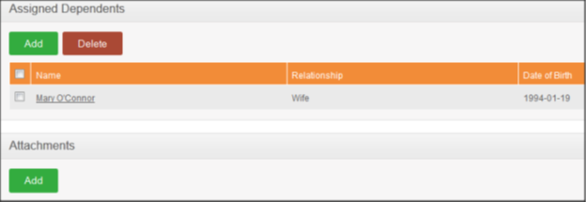
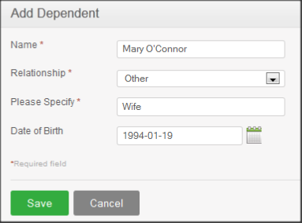
Add Depent
ID |  | Test Summary | Preconditions | Steps to Reproduce | Expected result | Priority | Comments
1 | General | "Add Dependentent" block is shown after clicking on “Dependentents” item in vertical menu at the app pages |  | 1. Click on the “Dependentents” under the “"Add Dependent"” column | "Add Dependentent" block is shown | High | Passed
2 |  | "Add Dependentent" block corresponds to mockup |  | 1. Open "Add Dependentent" block | "Add Dependent" block is corresponded to the mockup | Low | Passed
3 |  | "Calendar" window is shown after clicking on the "Calendar" icon (Date od Birth) | 1. "Add Dependentent" block is opened | 1. Click on the "Calendar" icon | "Calendar" window is shown | Low | Passed
4 |  | "Add Dependentent" changes can be canceled | 1."Add Dependent" block is opened in edit mode | 1. Change textfield data 2. Click "Cancel" button | Changes are canceled | Medium | Passed
5 | Name | Inputed data are saved for "Name" textfield while using valid data | 1."Add Dependent" block is opened in edit mode | 1. Input valid data (Ex. Jack) in "Name" textfield 2. Click on the "Save" button | Inputed "Name" data are shown in "Name" textfield after saving | High | Passed
6 |  | Changes are saved for "Name" textfield while using valid data | 1."Add Dependent" block is opened in edit mode | 1. Input valid data (Ex. Jack) in "Name" textfield 2. Click on the "Save" button 3. Edit inputed data 4. Click on the "Save" button | Changed "Name" data are shown in "Name" textfield after saving | High | Passed
7 |  | "Required" message is shown when "Name" textfield is empty | 1."Add Dependent" block is opened in edit mode | 1. Make "Name" textfield empty | "Required" message is shown under the "Name" textfield | Low | Passed
8 |  | "Required" message is absent after filling in empty "Name" textfield with valid data | 1."Add Dependent" block is opened in edit mode | 1. Input valid data (Ex. Mike) in "Name" textfield 2. Click on the "Save" button | "Required" message is absent under the "Name" textfield | Low | Passed
9 |  | "Name" textfield border becomes red when "Name" textfield is empty | 1."Add Dependent" block is opened in edit mode | 1. Make "Name" textfield empty | "Name" textfield border is red | Low | Passed
10 |  | "Name" textfield border becomes default (grey) after filling in empty "Name" textfield with valid data | 1."Add Dependent" block is opened in edit mode | 1. Input valid data (Ex. Mark) in "Name" textfield 2. Click on the "Save" button | "Name" textfield border becomes default (grey) | Low | Passed
11 |  | Changes aren't saved when "Name" textfield is empty | 1."Add Dependent" block is opened in edit mode | 1. Make "Name" textfield empty 2. Click on the "Save" button | "Save" button isn't work when "Name" textfield is empty | High | Passed
12 |  | Changes aren't saved when "Name" textfield contain invalid data (Ex. only spaces) | 1."Add Dependent" block is opened in edit mode | 1. Input in "Name" textfield invalid data (Ex. 5 spaces) 2. Click on the "Save" button | "Save" button isn't work when "Name" textfield is empty "Name" textfield border is red. "Name" message is shown under the "Name" textfield | Medium | Passed
13 |  | Changes aren't saved when "Name" textfield contains invalid data (Ex. only spaces) and nonRequired field (Ex. "Home Telephone") contains valid data | 1."Add Dependent" block is opened in edit mode | 1. Input in "Name" textfield invalid data (Ex. 5 spaces) 2. Input valid data (Ex. +375298888888) in "Home Telephone" textfield 2. Click on the "Save" button | "Save" button isn't work when "Name" textfield is empty "Name" textfield border is red. "Name" message is shown under the "Name" textfield | Medium | Passed
14 | Relationships | Changes are saved for "Relationships" DDM | 1."Add Dependent" block is opened in edit mode 2. Valid data are inputed in "Name" textfield | 1. Select "Child" item in "Relationships" DDM 2. Click on the "Save" button | Changed "Name" data are shown in "Name" textfield after saving | High | Passed
15 |  | "Required" message is shown under "Relationships" DDM after selecting "--Select--" item from "Relationships" DDM | 1."Add Dependent" block is opened in edit mode 2. Valid data are inputed in "Name" textfield | 1. Select "--Select--" item in "Relationships" DDM | "Required" message is shown under the "Relationships" DDM | Low | Passed
16 |  | "Required" message is absent after selecting "Child" or "Other" item from "Relationships" DDM | 1."Add Dependent" block is opened in edit mode 2. Valid data are inputed in "Name" textfield 3, "--Select--" item is selected in "Relationships" DDM | 1. Select "Child" or "Other" item in "Relationships" DDM | "Required" message is absent under the "Relationships" DDM | Low | Passed
17 |  | "Relationships" DDM border becomes red after selecting "Child" or "Other" item from "Relationships" DDM | 1."Add Dependent" block is opened in edit mode | 1.Select "Other" item in "Relationships" DDM | "Relationships" DDM border becomes red | Low | Passed
18 |  | Relationships" DDM border becomes default (grey) after becoming "--Select--" Relationships" DDM with "Child" or "Other" item | 1."Add Dependent" block is opened in edit mode 2. Valid data are inputed in "Name" textfield 3, "--Select--" item is selected in "Relationships" DDM | 1. Select "Child" or "Other" item in "Relationships" DDM | Relationships" DDM border becomes default (grey) | Low | Passed
19 | Please Specify | "Please Specify*" textfield is absent as default | 1. "Dependentents" page is opened | 1. Click on the "Add" buttonat the "Assigned Dependentents" block | "Please Specify *" is absent as default | High | Passed
20 |  | "Please Specify*" textfield is shown when selected "Other" in Relationships textfield | 1. "Dependentents" page is opened 2. "Assigned Dependentents" block is shown in edit mode | 1. Select "Other" item from "Relationship *" DDM | "Please Specify*" tetxfield is shown | Medium | Passed
21 |  | "Required" message is shown under "Please Specify" textfield after leaving "Please Specify" textfield empty | 1."Add Dependent" block is opened in edit mode 2. Valid data are inputed in "Name" textfield 3. "Other" item is selected in Relationships textfield | 1. Make "Please Specify" textfield empty | "Required" message is shown under the "Please Specify" textfield | Low | Passed
22 |  | User can input data in "Please Specify" textfield | 1."Add Dependent" block is opened in edit mode 2. Valid data are inputed in "Name" textfield 3. "Other" item is selected in Relationships textfield | 1. Input data in "Please Specify" textfield 2. Click on the "Save" button | Saved data are shown in "Assigned Dependentents" block | High | Passed | validation is absent in req
23 | Date of Birth | copy\paste from 3.1.1

Assigned Dependentents
24 | General | "Assigned Dependentents" block is shown after clicking "Save" button at the "Emergency Contact" block page | 1. Changes are valid at the "Assigned Dependentents" block page | 1. Click on "Save" button at the "Assigned Dependentents" block page | Assigned Dependentents Contacts block is shown | Medium | Passed
25 |  | "Assigned Dependentents" block corresponds to mockup | "Assigned Dependentents Contacts" block is opened |  | "Assigned Dependentents" block is corresponded to the mockup | Low | Passed
26 |  | Checkbox is became enable\disable after clicking on it |  | 1. Click on the checkbox to partical entry 2. Repeat step1 | 1. Checbox is enabled 2. Checkbox is disabled | High | Passed
27 |  | "Delete" button inactive when trying to delete without selected checkboxes |  | 1. Click on the "Delete" button | "Delete" button inactive | Low | Passed
28 |  | All checkboxes are enabled\disabled after clicking on header checkbox |  | 1. Click on header checkbox 2. Repeat step1 | 1. All checkboxes are enabled 2. All checkboxes are disabled | Low | Passed
29 | Adding | User can adds Dependentent in Assigned Dependentents |  | 1. Click on the "Add" button 2. Complete fields at the "Add Dependentent" block page 3. Click on "Save" button at the "Add Dependentent" block page | Dependentent is added | High | Passed
30 |  | Добавить такой же??
31 | Editing | "Edit Emergency Contact" block is shown after clicking on Users's name | 1.Entry is added | 1. Click on Users's name of added entry | "Edit Emergency Contact" block is shown | Medium | Passed
32 |  | User's changes are saved after editing added Assigned Dependentents entry | 1.Entry is added | 1. Click on Users's name of added entry 2. Make changes 2. Click on the "Save" button | User's changes are saved "Edit Emergency Contact" block is absent | Medium | Passed
33 |  | User's changes can be canceled | 1.Entry is added | 1. Click on Users's name of added entry 2. Make changes 2. Click on the "Cancel" button | User's changes is canceled. "Edit Emergency Contact" block is absent | Medium | Passed
34 | Deleting | Entry сan be deleted | 1.Entry is added | 1. Select an entry 2. Click on the "Delete" button | Entry is deleted | High | Passed
35 |  | Multiple entries can be deleted at the same time | 1.More than 1 entries are added | 1. Select more than 1 entries 2. Click on the "Delete" button | Multiple entries are deleted | Medium | Passed
36 | Attachment | copy\paste from 3.1.1

3.1.6 Immigration
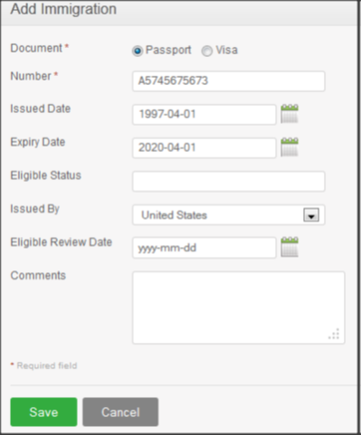
Add Immigration
ID |  | Test Summary | Preconditions | Steps to Reproduce | Expected result | Priority | Status | Comments
1 | General | "Add Immigration" block is shown after clicking on “Immigration” item in vertical menu at the app pages |  | 1. Click on the “Immigration” under the “Dependents“ column | "Add Immigration" block is shown | High | Passed
2 |  | "Add Immigration" block corresponds to mockup |  | 1. Open "Add Immigration" block | "Add Immigration" block is corresponded to the mockup | Low | Failed
3 |  | Selected list item is shown as DDM Number after clicking on item in opened drop-down list | 1. "Add Immigration" block is opened | 1. Click on (Issied By) DDM 2. Select item from DDL | Selected row of list menu is applyed as DDM Number | Medium | Passed
4 |  | Required fields can't be empty ("Document" radiobutton and "Number" textbox) | 1. "Add Immigration" block is opened | 1. Make Number" textbox empty | "Number" textbox can't be empty | High | Passed
5 |  | "Calendar" window is shown after clicking on the "Calendar" icon (Date od Birth) | 1. "Add Immigration" block is opened | 1. Click on the "Calendar" icon | "Calendar" window is shown | Medium | Passed
6 |  | Changes are "cancel" after clicking "Cancel" button | 1. "Add Immigration" block is opened | 1. Make changes (Ex edit textfield) 2. Click on the "Cancel" button | Changes are "cancel" | High | Passed
7 | Document | User can select "Passport" or "Visa" radiobutton |  | 1. Click on the "Passport" radiobutton 2.Click on the "Visa" radiobutton | 1."Passport" " radiobutton is enaled 2."Visa" radiobutton is enaled | High | Passed
8 | Number | Inputed data are saved for "Number" textfield while using valid data | 1."Add Dependent" block is opened in edit mode | 1. Input valid data (Ex. A1115456) in "Number" textfield 2. Click on the "Save" button | Inputed "Number" data are shown in "Number" textfield after saving | High | Passed
9 |  | Changes are saved for "Number" textfield while using valid data | 1."Add Dependent" block is opened in edit mode | 1. Input valid data (Ex. 12345f) in "Number" textfield 2. Click on the "Save" button 3. Edit inputed data 4. Click on the "Save" button | Changed "Number" data are shown in "Number" textfield after saving | High | Passed
10 |  | "Required" message is shown when "Number" textfield is empty | 1."Add Dependent" block is opened in edit mode | 1. Make "Number" textfield empty | "Required" message is shown under the "Number" textfield | Low | Passed
11 |  | "Required" message is absent after filling in empty "Number" textfield with valid data | 1."Add Dependent" block is opened in edit mode | 1. Input valid data (Ex. 5555f) in "Number" textfield 2. Click on the "Save" button | "Required" message is absent under the "Number" textfield | Low | Passed
12 |  | "Number" textfield border becomes red when "Number" textfield is empty | 1."Add Dependent" block is opened in edit mode | 1. Make "Number" textfield empty | "Number" textfield border is red | Low | Passed
13 |  | "Number" textfield border becomes default (grey) after filling in empty "Number" textfield with valid data | 1."Add Dependent" block is opened in edit mode | 1. Input valid data (Ex. 0000015154T) in "Number" textfield 2. Click on the "Save" button | "Number" textfield border becomes default (grey) | Low | Passed
14 |  | Changes aren't saved when "Number" textfield is empty | 1."Add Dependent" block is opened in edit mode | 1. Make "Number" textfield empty 2. Click on the "Save" button | "Save" button isn't work when "Number" textfield is empty | High | Passed
15 |  | Changes aren't saved when "Number" textfield contain invalid data (Ex. only spaces) | 1."Add Dependent" block is opened in edit mode | 1. Input in "Number" textfield invalid data (Ex. 5 spaces) 2. Click on the "Save" button | "Save" button isn't work when "Number" textfield is empty "Number" textfield border is red. "Number" message is shown under the "Number" textfield | Medium | Passed
16 |  | Changes aren't saved when "Number" textfield contain invalid data (Ex. only spaces) and nonRequired field (Ex. "Eligible Status") contain valid data | 1."Add Dependent" block is opened in edit mode | 1. Input in "Number" textfield invalid data (Ex. 5 spaces) 2. Input valid data "Eligible Status" textfield 3. Click on the "Save" button | "Save" button isn't work when "Number" textfield is empty "Number" textfield border is red. "Number" message is shown under the "Number" textfield | Medium | Passed
17 | Issued Date | Placeholder ""yyyy-mm-dd"" is shown in the "Issued Date" textfield | 1. "Add Immigration" blockis opened |  | Placeholder ""yyyy-mm-dd"" is shown in the "Issued Date" textfield | Low | Passed
18 |  | Placeholder ""yyyy-mm-dd"" is absent in the "Issued Date" textfield after inputting some data in the field | 1. "Add Immigration" block is in edit mode. | 1. Input some numbers in the "Issued Date" textfield | Placeholder ""yyyy-mm-dd"" is absent in the "Issued Date" textfield | Low | Passed
19 |  | User can input valid data (in ""yyyy-mm-dd"" format) in the "Issued Date" textfield | 1. "Add Immigration" block is in edit mode. | 1. Input date in valid format ("yyyy-mm-dd") 2. Click on the "Save" button | Inputed valid data are saved | High | Passed
20 |  | User can changed inputed data (in ""yyyy-mm-dd"" format) in the "Issued Date" textfield | 1. "Add Immigration" block is in edit mode. 2. Inputed valid data are saved | 1. Input date in valid format ("yyyy-mm-dd") 2. Click on the "Save" button | Changed inputed valid data are saved | Medium | Passed
21 |  | User can input only numbers and "-" symbol in the "Issued Date" textfield | 1. "Add Immigration" block is in edit mode. | 1. Input number and "-" in the "Issued Date" textfield | Inputed number and "-" are shown in the "Issued Date" textfield | High | Passed
22 |  | User can't input letters and symbols except "-" in the "Issued Date" textfield | 1. "Add Immigration" block is in edit mode. | 1. Input letter in the "Issued Date" textfield 2. Input symbols except "-" in the "Issued Date" textfield | Letters and symbols except "-" can't be inputed | Medium | Passed
23 |  | "Should be a valid date in "yyyy-mm-dd"" message is shown after inputting invalid date in the "Issued Date" | 1. "Add Immigration" block is in edit mode. | 1. Input invalid date in the "Issued Date" textfield (Ex. 1996-02-30 1997-02-29 2002-03-31 1995-06-31 1981-11-31) 1998-13-01 1998-01-32 future date) | "Should be a valid date in "yyyy-mm-dd"" message is shown | Medium | Passed
24 |  | "Should be a valid date in "yyyy-mm-dd"" message is shown after inputting data in invalid format under the the "Issued Date" |  | 1. Input invalid date in the "Issued Date" textfield (Ex. without "-" mm-dd-yyyy) | "Should be a valid date in "yyyy-mm-dd"" message is shown | Medium | Passed
25 |  | "Should be a valid date in "yyyy-mm-dd"" message is absent after changing inputed invalid data on valid data | 1. "Add Immigration" block is in edit mode. 2. Invalid date is inputed in "Issued Date" textfield 3. "Should be a valid date in "yyyy-mm-dd"" message is shown | 1. Input valid date in the "Issued Date" textfield | "Should be a valid date in "yyyy-mm-dd"" message is absent. Inputed valid date is shown in the "Issued Date" textfield | Low | Passed
26 |  | "Issued Date" textfield border becomes red when "License Expiry Date" textfield is contain invalid date or invalid format | 1. "Add Immigration" block is in edit mode. | 1. Input invalid date in the "Issued Date" textfield (Ex. 1996-02-30 1997-02-29 2002-03-31 1995-06-31 1981-11-31) 1998-13-01 1998-01-32 future date) | "Issued Date" textfield border becomes red | Low | Passed
27 |  | "Issued Date" textfield border becomes default (grey) after invalid date or invalid format for "Issued Date Details" textfield with valid date | 1. "Add Immigration" block is in edit mode. 2. Invalid date is inputed in "Issued Date Details" textfield 3."Issued Date" textfield border is red | 1. Input valid date in the "Issued Date" textfield | "Issued Date" textfield border becomes default (grey) | Low | Passed
28 |  | Changes aren't saved when "Issued Date textfield contain invalid data | 1. "Add Immigration" block is in edit mode. | 1. Input in "Issued Date" textfield invalid data (Ex. 1996-02-30 1997-02-29 2002-03-31 1995-06-31 1981-11-31) 1998-13-01 1998-01-32 future date) 2. Click on the "Save" button | "Save" button isn't work when "Issued Date" textfield is empty "Issued Date" textfield border is red. "Issued Date" message is shown under the "Issued Date" textfield | Medium | Passed
29 |  | "Calendar" window is shown after clicking on the "Calendar" icon to the right of the "Issued Date" textfield | 1. "Add Immigration" block is in edit mode. | 1. Click on the "Calendar" icon to the right of the "Issued Date" textfield | "Calendar" window is shown | Medium | Passed
30 |  | Selected date from "Calendar" window is applied for the "Issued Date" | 1. "Add Immigration" block is in edit mode. | 1. Click on the "Calendar" icon to the right of the "Issued Date" textfield 2. Select date 3. Click "Save" button | Selected date is saved for "Issued Date" textfield | High | Passed
31 |  | Inputed date according to the date from "Calendar" for the "Issued Date" | 1. "Add Immigration" block is in edit mode. | 1. Input valid date in "Issued Date" textfield 2. Click on the "Calendar" icon to the right of the "Issued Date" textfield | Inputed date according to the date from "Calendar" | Low | Passed
32 |  | Error message is shown when "Issued Date" older than " Expiry Date" under the "Issued Date" | 1. "Add Immigration" block is in edit mode. | 1. Input date in "Expiry Date" textfield 2. Input date in "Issued Date" textfield older than "Expiry Date" | Error message is shown | Low | Failed | Added to BUGS
33 | Expiry Date | Placeholder ""yyyy-mm-dd"" is shown in the "Expiry Date" textfield | 1. "Add Immigration" blockis opened |  | Placeholder ""yyyy-mm-dd"" is shown in the "Expiry Date" textfield | Low | Passed
34 |  | Placeholder ""yyyy-mm-dd"" is absent in the "Expiry Date" textfield after inputting some data in the field | 1. "Add Immigration" block is in edit mode. | 1. Input some numbers in the "Expiry Date" textfield | Placeholder ""yyyy-mm-dd"" is absent in the "Expiry Date" textfield | Low | Passed
35 |  | User can input valid data (in ""yyyy-mm-dd"" format) in the "Expiry Date" textfield | 1. "Add Immigration" block is in edit mode. | 1. Input date in valid format ("yyyy-mm-dd") 2. Click on the "Save" button | Inputed valid data are saved | High | Passed
36 |  | User can changed inputed data (in ""yyyy-mm-dd"" format) in the "Expiry Date" textfield | 1. "Add Immigration" block is in edit mode. 2. Inputed valid data are saved | 1. Input date in valid format ("yyyy-mm-dd") 2. Click on the "Save" button | Changed inputed valid data are saved | Medium | Passed
37 |  | User can input only numbers and "-" symbol in the "Expiry Date" textfield | 1. "Add Immigration" block is in edit mode. | 1. Input number and "-" in the "Expiry Date" textfield | Inputed number and "-" are shown in the "Expiry Date" textfield | High | Passed
38 |  | User can't input letters and symbols except "-" in the "Expiry Date" textfield | 1. "Add Immigration" block is in edit mode. | 1. Input letter in the "Expiry Date" textfield 2. Input symbols except "-" in the "Expiry Date" textfield | Letters and symbols except "-" can't be inputed | Medium | Passed
39 |  | "Should be a valid date in "yyyy-mm-dd"" message is shown after inputting invalid date in the "Expiry Date" | 1. "Add Immigration" block is in edit mode. | 1. Input invalid date in the "Expiry Date" textfield (Ex. 1996-02-30 1997-02-29 2002-03-31 1995-06-31 1981-11-31) 1998-13-01 1998-01-32 future date) | "Should be a valid date in "yyyy-mm-dd"" message is shown | Medium | Passed
40 |  | "Should be a valid date in "yyyy-mm-dd"" message is shown after inputting data in invalid format under the "Expiry Date" |  | 1. Input invalid date in the "Expiry Date" textfield (Ex. without "-" mm-dd-yyyy) | "Should be a valid date in "yyyy-mm-dd"" message is shown | Medium | Passed
41 |  | "Should be a valid date in "yyyy-mm-dd"" message is absent after changing inputed invalid data on valid data | 1. "Add Immigration" block is in edit mode. 2. Invalid date is inputed in "Issued Date" textfield 3. "Should be a valid date in "yyyy-mm-dd"" message is shown | 1. Input valid date in the "Expiry Date" textfield | "Should be a valid date in "yyyy-mm-dd"" message is absent. Inputed valid date is shown in the "Expiry Date" textfield | Low | Passed
42 |  | "Expiry Date" textfield border becomes red when "Expiry Date" textfield is contain invalid date or invalid format | 1. "Add Immigration" block is in edit mode. | 1. Input invalid date in the "Expiry Date" textfield (Ex. 1996-02-30 1997-02-29 2002-03-31 1995-06-31 1981-11-31) 1998-13-01 1998-01-32 future date) | "Expiry Date" textfield border becomes red | Low | Passed
43 |  | "Expiry Date" textfield border becomes default (grey) after invalid date or invalid format for "Expiry Date Details" textfield with valid date | 1. "Add Immigration" block is in edit mode. 2. Invalid date is inputed in "Issued Date Details" textfield 3."Issued Date" textfield border is red | 1. Input valid date in the "Expiry Date" textfield | "Expiry Date" textfield border becomes default (grey) | Low | Passed
44 |  | Changes aren't saved when "Expiry Date textfield contain invalid data | 1. "Add Immigration" block is in edit mode. | 1. Input in "Expiry Date" textfield invalid data (Ex. 1996-02-30 1997-02-29 2002-03-31 1995-06-31 1981-11-31) 1998-13-01 1998-01-32 future date) 2. Click on the "Save" button | "Save" button isn't work when "Expiry Date" textfield is empty "Expiry Date" textfield border is red. "Expiry Date" message is shown under the "Expiry Date" textfield | Medium | Passed
45 |  | "Calendar" window is shown after clicking on the "Calendar" icon to the right of the "Expiry Date" textfield | 1. "Add Immigration" block is in edit mode. | 1. Click on the "Calendar" icon to the right of the "Expiry Date" textfield | "Calendar" window is shown | Medium | Passed
46 |  | Selected date from "Calendar" window is applied for the "Expiry Date" | 1. "Add Immigration" block is in edit mode. | 1. Click on the "Calendar" icon to the right of the "Expiry Date" textfield 2. Select date 3. Click "Save" button | Selected date is saved for "Expiry Date" textfield | High | Passed
47 |  | Inputed date according to the date from "Calendar" for the "Expiry Date" | 1. "Add Immigration" block is in edit mode. | 1. Input valid date in "Expiry Date" textfield 2. Click on the "Calendar" icon to the right of the "Expiry Date" textfield | Inputed date according to the date from "Calendar" | Low | Passed
48 | Eligible status | Inputed data are saved for "Eligible status" textfield while using valid data | 1. "Contact details" block is in edit mode. | 1. Input data (Ex. 2323232 in "Eligible status" textfield 2. Click on the "Save" button | Inputed "Eligible status" data are shown in "Eligible status" textfield after saving | High | Passed
49 |  | Changes are saved for "Eligible status" textfield while using valid data | 1. "Contact details" block is in edit mode. | 1. Input valid data (Ex. Q25698) in "Eligible status" textfield 2. Click on the "Save" button 3. Edit inputed data 4. Click on the "Save" button | Changed "Eligible status" data are shown in "Eligible status" textfield after saving | High | Passed
51 | Issued By | Changes are saved for "Issued By" DDM | 1."Add Immigration" block is opened in edit mode 2. Valid data are inputed in "Issued By" textfield | 1. Select item in "Issued By" DDM (ex. Australia) 2. Click on the "Save" button | Changed "Issued By" data are shown in "Issued By" textfield after saving | High | Passed
52 | "Eligible rewiew Date" textfield | Placeholder ""yyyy-mm-dd"" is shown in the "Eligible rewiew Date" textfield | 1. "Add Dependent" blockis opened |  | Placeholder ""yyyy-mm-dd"" is shown in the "Eligible rewiew Date" textfield | Low | Passed
53 |  | Placeholder ""yyyy-mm-dd"" is absent in the "Eligible rewiew Date" textfield after inputting some data in the field | 1. "Add Dependent" block is in edit mode. | 1. Input some numbers in the "Eligible rewiew Date" textfield | Placeholder ""yyyy-mm-dd"" is absent in the "Eligible rewiew Date" textfield | Low | Passed
54 |  | User can input valid data (in ""yyyy-mm-dd"" format) in the "Eligible rewiew Date" textfield | 1. "Add Dependent" block is in edit mode. | 1. Input date in valid format ("yyyy-mm-dd") 2. Click on the "Save" button | Inputed valid data are saved | High | Passed
55 |  | User can changed inputed data (in ""yyyy-mm-dd"" format) in the "Eligible rewiew Date" textfield | 1. "Add Dependent" block is in edit mode. 2. Inputed valid data are saved | 1. Input date in valid format ("yyyy-mm-dd") 2. Click on the "Save" button | Changed inputed valid data are saved | Medium | Passed
56 |  | User can input only numbers and "-" symbol in the "Eligible rewiew Date" textfield | 1. "Add Dependent" block is in edit mode. | 1. Input number and "-" in the "Eligible rewiew Date" textfield | Inputed number and "-" are shown in the "Eligible rewiew Date" textfield | High | Passed
57 |  | User can't input letters and symbols except "-" in the "Eligible rewiew Date" textfield | 1. "Add Dependent" block is in edit mode. | 1. Input letter in the "Eligible rewiew Date" textfield 2. Input symbols except "-" in the "Eligible rewiew Date" textfield | Letters and symbols except "-" can't be inputed | Medium | Passed
58 |  | "Should be a valid date in "yyyy-mm-dd"" message is shown after inputting invalid date | 1. "Add Dependent" block is in edit mode. | 1. Input invalid date in the "Eligible rewiew Date" textfield (Ex. 1996-02-30 1997-02-29 2002-03-31 1995-06-31 1981-11-31) 1998-13-01 1998-01-32 future date) | "Should be a valid date in "yyyy-mm-dd"" message is shown | Medium | Passed
59 |  | "Should be a valid date in "yyyy-mm-dd"" message is shown after inputting data in invalid format | 1. "Add Dependent" block is in edit mode. | 1. Input invalid date in the "Eligible rewiew Date" textfield (Ex. without "-" mm-dd-yyyy) | "Should be a valid date in "yyyy-mm-dd"" message is shown | Medium | Passed
60 |  | "Should be a valid date in "yyyy-mm-dd"" message is absent after changing inputed invalid data on valid data | 1. "Add Dependent" block is in edit mode. 2. Invalid date is inputed in "Eligible rewiew Date" textfield 3. "Should be a valid date in "yyyy-mm-dd"" message is shown | 1. Input valid date in the "Eligible rewiew Date" textfield | "Should be a valid date in "yyyy-mm-dd"" message is absent. Inputed valid date is shown in the "Eligible rewiew Date" textfield | Low | Passed
61 |  | "Eligible rewiew Date" textfield border becomes red when "License Expiry Date" textfield is contain invalid date or invalid format | 1. "Add Dependent" block is in edit mode. | 1. Input invalid date in the "Eligible rewiew Date" textfield (Ex. 1996-02-30 1997-02-29 2002-03-31 1995-06-31 1981-11-31) 1998-13-01 1998-01-32 future date) | "Eligible rewiew Date" textfield border becomes red | Low | Passed
62 |  | "Eligible rewiew Date" textfield border becomes default (grey) after invalid date or invalid format for "Eligible rewiew Date Details" textfield with valid date | 1. "Add Dependent" block is in edit mode. 2. Invalid date is inputed in "Eligible rewiew Date Details" textfield 3."Eligible rewiew Date" textfield border is red | 1. Input valid date in the "Eligible rewiew Date" textfield | "Eligible rewiew Date" textfield border becomes default (grey) | Low | Passed
63 |  | Changes aren't saved when "Eligible rewiew Date textfield contain invalid data | 1. "Add Dependent" block is in edit mode. | 1. Input in "Eligible rewiew Date" textfield invalid data (Ex. 1996-02-30 1997-02-29 2002-03-31 1995-06-31 1981-11-31) 1998-13-01 1998-01-32 future date) 2. Click on the "Save" button | "Save" button isn't work when "Eligible rewiew Date" textfield is empty "Eligible rewiew Date" textfield border is red. "Eligible rewiew Date" message is shown under the "Eligible rewiew Date" textfield | Medium | Passed
64 |  | "Calendar" window is shown after clicking on the "Calendar" icon to the right of the "Eligible rewiew Date" textfield | 1. "Add Dependent" block is in edit mode. | 1. Click on the "Calendar" icon to the right of the "Eligible rewiew Date" textfield | "Calendar" window is shown | Medium | Passed
65 |  | Selected date from "Calendar" window is applied | 1. "Add Dependent" block is in edit mode. | 1. Click on the "Calendar" icon to the right of the "Eligible rewiew Date" textfield 2. Select date 3. Click "Save" button | Selected date is saved for "Eligible rewiew Date" textfield | High | Passed
66 |  | Inputed date according to the date from "Calendar" | 1. "Add Dependent" block is in edit mode. | 1. Input valid date in "Eligible rewiew Date" textfield 2. Click on the "Calendar" icon to the right of the "Eligible rewiew Date" textfield | Inputed date according to the date from "Calendar" | Low | Passed
67 | Comments | Inputed data are saved for "Comments" textfield while using valid data | 1."Add Dependent" block is opened in edit mode | 1. Input valid data (Ex. Jack) in "Eligible status" textfield 2. Click on the "Save" button | Inputed "Eligible status" data are shown in "Eligible status" textfield after saving | High | Passed | no req fo validation
68 |  | Changes are saved for "Comments" textfield while using valid data | 1."Add Dependent" block is opened in edit mode 2. Valid data (Ex. Comment text) in "Comments" textfield is inputed and saved | 1. Input valid data (Ex. NewComment text) in "Eligible status" textfield 2. Click on the "Save" button | Changed "Eligible status" data are shown in "Eligible status" textfield after saving | High | Passed
69 |  | User can resize "Comments" window using bottom right corner of field | 1."Add Dependent" block is opened in edit mode | 1. Click and move mouse cursor | "Comments" window is resizing | Medium | Failed | Min\Max values
Assigned Immigration records
70 | General | "Assigned Immigration" block is shown after clicking "Save" button at the "Emergency Contact" block page | 1. Changes are valid at the "Assigned Immigration" block page | 1. Click on "Save" button at the "Assigned Immigration" block page | Assigned Immigration Contacts block is shown | Medium | Passed
71 |  | "Assigned Immigration" block corresponds to mockup | "Assigned Immigration Contacts" block is opened |  | "Assigned Immigration" block is corresponded to the mockup | Low | Passed
72 |  | Checkbox is became enable\disable after clicking on it |  | 1. Click on the checkbox to partical entry 2. Repeat step1 | 1. Checbox is enabled 2. Checkbox is disabled | High | Passed
73 |  | "Delete" button inactive when trying to delete without selected checkboxes |  | 1. Click on the "Delete" button | "Delete" button inactive | Low | Passed
74 |  | All checkboxes are enabled\disabled after clicking on header checkbox |  | 1. Click on header checkbox 2. Repeat step1 | 1. All checkboxes are enabled 2. All checkboxes are disabled | Low | Passed
75 | Adding | User can adds Immigration in Assigned Immigration |  | 1. Click on the "Add" button 2. Complete fields at the "Add Dependentent" block page 3. Click on "Save" button at the "Add Dependentent" block page | Dependentent is added | High | Passed
76 |  | Добавить такой же??
77 | Editing | "Edit Emergency Contact" block is shown after clicking on Users's name | 1.Entry is added | 1. Click on Users's name of added entry | "Edit Emergency Contact" block is shown | Medium | Passed
78 |  | User's changes are saved after editing added Assigned Immigration entry | 1.Entry is added | 1. Click on Users's name of added entry 2. Make changes 2. Click on the "Save" button | User's changes are saved "Edit Emergency Contact" block is absent | Medium | Passed
79 |  | User's changes can be canceled | 1.Entry is added | 1. Click on Users's name of added entry 2. Make changes 2. Click on the "Cancel" button | User's changes is canceled. "Edit Emergency Contact" block is absent | Medium | Passed
80 | Deleting | Entry сan be deleted | 1.Entry is added | 1. Select an entry 2. Click on the "Delete" button | Entry is deleted | High | Passed
81 |  | Multiple entries can be deleted at the same time | 1.More than 1 entries are added | 1. Select more than 1 entries 2. Click on the "Delete" button | Multiple entries are deleted | Medium | Passed
82 | Attachment | copy\paste from 3.1.1

3.1.7 Job
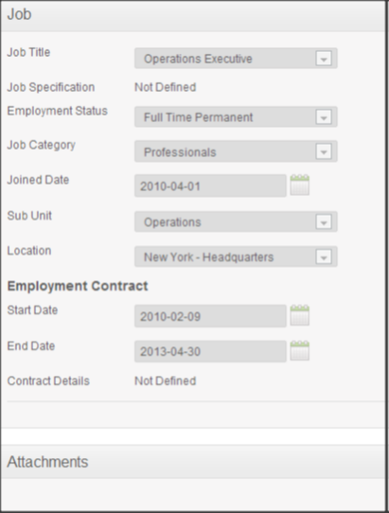
Job
ID |  | Test Summary | Preconditions | Steps to Reproduce | Expected result | Priority | Status | Comments
1 | General | "Job" block is shown after clicking on “Immigration” item in vertical menu at the app pages |  | 1. Click on the “Immigration” under the “Immigration“ column | "Add Immigration" block is shown | High | Passed
2 |  | "Job" block corresponds to the mockup |  | 1. Open "Job" block | "Job" block is corresponded to the mockup | Low | Passed
3 | Changes | ESS-User cannot make changes in the job details | 1."Job" block is opened 2. ESS-User is autorized | 1. Try to make changes in following fields: ● Job Title ● Jobs Specwhenication ● Employment Status ● Job Category ● Joined Date ● Sub Unit ● Location ● Employment Contract Start Date ● Employment Contract End Date ● Attachments | Following fields can't be edit | High | Passed
4 |  | Admin can make changes in the job details | 1."Job" block is opened 2. Admin user is autorized | 1. Try to make changes in the following fields: ● Job Title ● Jobs Specwhenication ● Employment Status ● Job Category ● Joined Date ● Sub Unit ● Location ● Employment Contract Start Date ● Employment Contract End Date ● Attachments | Following fields can be edit | High | Failed
5 | Attachment | copy\paste from 3.1.1

3.1.8 Salary
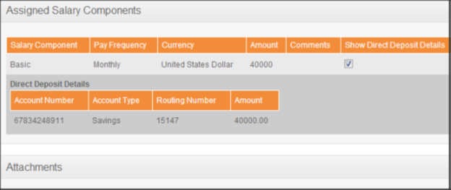
Assigned Salary Components
ID |  | Test Summary | Preconditions | Steps to Reproduce | Expected result | Priority | Status | Comments
1 | General | "Assigned Salary Components" block is shown after clicking on “Immigration” item in vertical menu at the app pages |  | 1. Click on the “Immigration” under the “Job“ column | "Add Immigration" block is shown | High | Passed
2 |  | "Assigned Salary Components" block corresponds to mockup |  | 1. Open "Assigned Salary Components" block | "Assigned Salary Components" block is corresponded to the mockup | Low | Passed
3 |  | The salary information field is completely hidden from the ESS-User | 1. ESS-User is autorized | 1. Try to open Assigned Salary Components | Assigned Salary Components can not be open | Medium | Passed
4 |  | HR-Admin can see the the salary information field | 1. HR-Admin is autorized | 1. Try to open Assigned Salary Components | Assigned Salary Components is opened | High | Passed
5 |  | HR-Admin is restricted from editing "Salary" | 1. HR-Admin is autorized 2. Assigned Salary Components is opened | 1. Try to edit following fields: Salary ● Salary Component ● Pay Frequency ● Currency ● Amount ● Comments ● Direct Deposit Details | Following fields can not be edit | High | Passed
6 |  | Direct Deposit details is shown\hide after "Show direct Deposit Details" checkbox is enabled\disabled | 1. Assigned Salary Components is opened | 1. Click on "Show direct Deposit Details" checkbox | Direct Deposit details is shown\hide after clicking on the checkbox | Medium | Failed | Cant't reproduce
7 | Attachments | copy\paste from 3.1.1 |  |  |  |  | Failed | Нельзя прикрепить аттач, в требования ничегно нет

3.1.9 ReportTo
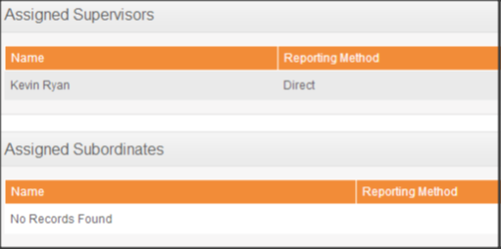
Assigned Supervisors
ID |  | Test Summary | Preconditions | Steps to Reproduce | Expected result | Priority | Status | Comments
1 | General | "Assigned Supervisors" block is shown after clicking on "Report to" item in vertical menu at the app pages |  | 1. Click on the “Report to” under the “Salary“ column | "Assigned Supervisors" block is shown | High | Passed
2 |  | "Assigned Supervisors" block corresponds to mockup |  | 1. Open "Assigned Salary Components" block | "Assigned Supervisors" block is corresponded to the mockup | Low | Passed
3 | Access | As an ESS-User, you are only able to view the list of supervisors that you report to | 1. ESS-User is autorized |  | List of supervisors that you report to is shown for the ESS-user | High | Passed
4 |  | ESS-User is restricted from editing the following fields: ● Assigned Supervisors ● Assigned Subordinates ● Attachments | 1. ESS-User is autorized | Try to edit the following fields: ● Assigned Supervisors ● Assigned Subordinates ● Attachments | Following fields can't be edit by ESS-User | Medium | Passed
5 |  | ESS-Supervisor (Admin) can see the list of subordinates ("Assigned Supervisors" block) | 1. ESS-Supervisor (Admin) is autorized 2. "Assigned Supervisors" block is shown |  | "Assigned Supervisors" block is shown for the ESS-Supervisor (Admin) | High | Passed | ESS-Supervisor кто это такой?? будем считать, что это админ
6 | Attachments | copy\paste from 3.1.1 |  |  |  |  | Failed

3.1.10 Qualifications
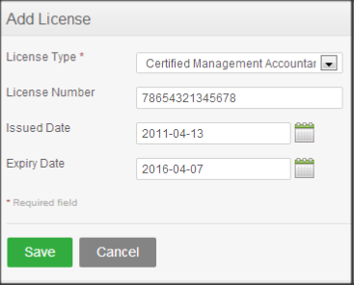
Add Work Experience
ID |  | Test Summary | Preconditions | Steps to Reproduce | Expected result | Priority | Status
1 | General | "Add Work Experienceent" block is shown after clicking on “Dependentents” item in vertical menu at the app pages |  | 1. Click on the “Dependentents” under the “"Add Work Experience"” column | "Add Work Experienceent" block is shown | High | Passed
2 |  | "Add Work Experienceent" block corresponds to mockup |  | 1. Open "Add Work Experienceent" block | "Add Work Experience" block is corresponded to the mockup | Low | Passed
3 |  | "Calendar" window is shown after clicking on the "Calendar" icon (Date od Birth) | 1. "Add Work Experienceent" block is opened | 1. Click on the "Calendar" icon | "Calendar" window is shown | Low | Passed
4 |  | "Add Work Experienceent" changes can be canceled | 1."Add Work Experience" block is opened in edit mode | 1. Change textfield data 2. Click "Cancel" button | Changes are canceled | Medium | Passed
5 | Company textfield | Inputed data are saved for "Company" textfield while using valid data | 1."Add Work Experience" block is opened in edit mode | 1. Input valid data (Ex. Jack) in "Company" textfield 2. Click on the "Save" button | Inputed "Company" data are shown in "Company" textfield after saving | High | Passed
6 |  | Changes are saved for "Company" textfield while using valid data | 1."Add Work Experience" block is opened in edit mode | 1. Input valid data (Ex. Jack) in "Company" textfield 2. Click on the "Save" button 3. Edit inputed data 4. Click on the "Save" button | Changed "Company" data are shown in "Company" textfield after saving | High | Passed
7 |  | "Required" message is shown when "Company" textfield is empty | 1."Add Work Experience" block is opened in edit mode | 1. Make "Company" textfield empty | "Required" message is shown under the "Company" textfield | Low | Passed
8 |  | "Required" message is absent after filling in empty "Company" textfield with valid data | 1."Add Work Experience" block is opened in edit mode | 1. Input valid data (Ex. Mike) in "Company" textfield 2. Click on the "Save" button | "Required" message is absent under the "Company" textfield | Low | Passed
9 |  | "Company" textfield border becomes red when "Company" textfield is empty | 1."Add Work Experience" block is opened in edit mode | 1. Make "Company" textfield empty | "Company" textfield border is red | Low | Passed
10 |  | "Company" textfield border becomes default (grey) after filling in empty "Company" textfield with valid data | 1."Add Work Experience" block is opened in edit mode | 1. Input valid data (Ex. Mark) in "Company" textfield 2. Click on the "Save" button | "Company" textfield border becomes default (grey) | Low | Passed
11 |  | Changes aren't saved when "Company" textfield is empty | 1."Add Work Experience" block is opened in edit mode | 1. Make "Company" textfield empty 2. Click on the "Save" button | "Save" button isn't work when "Company" textfield is empty | High | Passed
12 |  | Changes aren't saved when "Company" textfield contain invalid data (Ex. only spaces) | 1."Add Work Experience" block is opened in edit mode | 1. Input in "Company" textfield invalid data (Ex. 5 spaces) 2. Click on the "Save" button | "Save" button isn't work when "Company" textfield is empty "Company" textfield border is red. "Company" message is shown under the "Company" textfield | Medium | Passed
13 |  | Changes aren't saved when "Company" textfield contain invalid data (Ex. only spaces) and nonRequired field (Ex. ""Home Telephone"") contain valid data | 1."Add Work Experience" block is opened in edit mode | 1. Input in "Job Title" textfield invalid data (Ex. 5 spaces) 2. Input valid data (Ex. +375298888888) in ""Home Telephone"" textfield 2. Click on the "Save" button | "Save" button isn't work when "Company" textfield is empty "Company" textfield border is red. "Company" message is shown under the "Company" textfield | Medium | Passed
14 | Job Title textfield | Inputed data are saved for "Job Title" textfield while using valid data | 1."Add Work Experience" block is opened in edit mode | 1. Input valid data (Ex. Jack) in "Job Title" textfield 2. Click on the "Save" button | Inputed "Job Title" data are shown in "Job Title" textfield after saving | High | Passed
15 |  | Changes are saved for "Job Title" textfield while using valid data | 1."Add Work Experience" block is opened in edit mode | 1. Input valid data (Ex. Jack) in "Job Title" textfield 2. Click on the "Save" button 3. Edit inputed data 4. Click on the "Save" button | Changed "Job Title" data are shown in "Job Title" textfield after saving | High | Passed
16 |  | "Required" message is shown when "Job Title" textfield is empty | 1."Add Work Experience" block is opened in edit mode | 1. Make "Job Title" textfield empty | "Required" message is shown under the "Job Title" textfield | Low | Passed
17 |  | "Required" message is absent after filling in empty "Job Title" textfield with valid data | 1."Add Work Experience" block is opened in edit mode | 1. Input valid data (Ex. Mike) in "Job Title" textfield 2. Click on the "Save" button | "Required" message is absent under the "Job Title" textfield | Low | Passed
18 |  | "Job Title" textfield border becomes red when "Job Title" textfield is empty | 1."Add Work Experience" block is opened in edit mode | 1. Make "Job Title" textfield empty | "Job Title" textfield border is red | Low | Passed
19 |  | "Job Title" textfield border becomes default (grey) after filling in empty "Job Title" textfield with valid data | 1."Add Work Experience" block is opened in edit mode | 1. Input valid data (Ex. Mark) in "Job Title" textfield 2. Click on the "Save" button | "Job Title" textfield border becomes default (grey) | Low | Passed
...
Add Work Experience
60 |  | "Delete" button inactive when trying to delete without selected checkboxes |  | 1. Click on the "Delete" button | "Delete" button inactive | Low | Passed
61 |  | All checkboxes are enabled\disabled after clicking on header checkbox |  | 1. Click on header checkbox 2. Repeat step1 | 1. All checkboxes are enabled 2. All checkboxes are disabled | Low | Passed
62 | Adding | User can adds Immigration in Work Experience |  | 1. Click on the "Add" button 2. Complete fields at the "Add Dependentent" block page 3. Click on "Save" button at the "Add Dependentent" block page | Dependentent is added | High | Passed
63 |  | Добавить такой же?? (он добавится)
64 | Editing | "Edit Emergency Contact" block is shown after clicking on Users's name | 1.Entry is added | 1. Click on Users's name of added entry | "Edit Emergency Contact" block is shown | Medium | Passed
65 |  | User's changes are saved after editing added Work Experience entry | 1.Entry is added | 1. Click on Users's name of added entry 2. Make changes 2. Click on the "Save" button | User's changes are saved "Edit Emergency Contact" block is absent | Medium | Passed
66 |  | User's changes can be canceled | 1.Entry is added | 1. Click on Users's name of added entry 2. Make changes 2. Click on the "Cancel" button | User's changes is canceled. "Edit Emergency Contact" block is absent | Medium | Passed
67 | Deleting | Entry сan be deleted | 1.Entry is added | 1. Select an entry 2. Click on the "Delete" button | Entry is deleted | High | Passed
68 |  | Multiple entries can be deleted at the same time | 1.More than 1 entries are added | 1. Select more than 1 entries 2. Click on the "Delete" button | Multiple entries are deleted | Medium | Passed
69 | Attachment | copy\paste from 3.1.1
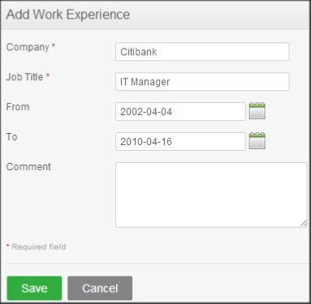

Add Education
ID |  | Test Summary | Preconditions | Steps to Reproduce | Expected result | Priority | Status
15 | General | "Add Education" block is shown after clicking on “Qualwhenication” under the “Report To “column |  | 1. Click on the “Qualwhenication” under the “Report To “column | "Add Work Experience" block is shown | High | Passed
16 |  | "Add Education" block corresponds to mockup |  | 1. Open "Add Work Experiencen" block | "Add Work Experience" block is corresponded to the mockup | Low | Failed
17 |  | Selected list item is shown as DDM name after clicking on item in opened drop-down list | 1. "Add Work Experience" block is opened | 1. Click on (Issied By) DDM 2. Select item from DDL | Selected row of list menu is applyed as DDM name | High | Passed
18 |  | Required fields can't be empty ("Level" textbox) | 1. "Add Work Experience" block is opened | 1. Make "Level" textbox empty 2. Make "Job Title" textbox empty | 1. "Companyr" textbox can't be empty 2. "Job Title" textbox can't be empty | High | Passed
19 |  | "Calendar" window is shown after clicking on the "Calendar" icon (Date od Birth) | 1. "Add Work Experience" block is opened | 1. Click on the "Calendar" icon | "Calendar" window is shown | Low | Passed
20 | Changes | "Add Education" changes are saved |  | 1. Change textfield data 2. Click "Save" button | 1. Changes are saved | High | Passed
21 |  | "Add Education" changes are shown at the Education records block | 1. Changes are saved | 1. Open "Add Work Experience" block | 1. Changes are shown | High | Passed
22 |  | "Add Education" changes can be canceled |  | 1. Change textfield data 2. Click "Cancel" button | Changes are canceled | Medium | Passed
Education
23 | General | "Work Experience" block is shown after clicking "Save" button at the "Add Work Experience" block page | 1. Changes are valid at the "Add Work Experience" block page |  | 1. Click "Save" button at the "Add Education" block page | High | Passed
24 |  | Message error is shown when trying to delete without selected checkboxes |  | 1. Click on the "Delete" button | Message error (Ex. NO selecting checkboxes) is shown | Low | Passed
25 |  | "Edit Education" block shown after clicking on Level's name | 1. "Education" block is opened | 1. Click on the "Level's" name | "Edit Education" block shown | Low | Passed
26 |  | All checkboxes are enabled\disabled after clicking on header checkbox | 1. "Education" block is opened | 1. Click on header checkbox 2. Repeat step1 | 1. All checkboxes are enabled 2. All checkboxes are disabled | Low | Passed
27 | Adding | User can adds education information in Education records |  | 1. Click on the "Add" button 2. Complete fields at the "Add Education" block page 3. Click on "Save" button at the "Add Education" block page | Education records are added | High | Passed
28 | Deleting | Entry is could be deleted | 1. "Education" block is shown 2. Entry is added | 1. Select an entry 2. Click on the "Delete" button | Entry is deleted | High | Passed
29 |  | Multiple entries can be deleted at the same time | 1. "Education" block is shown 2. More than 1 entries are added | 1. Select more than 1 entries 2. Click on the "Delete" button | Multiple entries are deleted | Medium | Passed
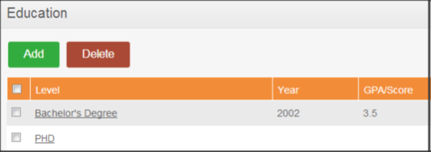
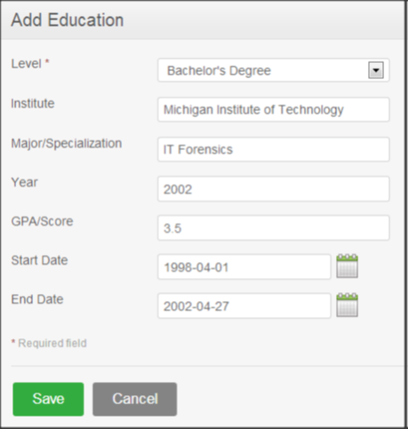

Add Skill
ID |  | Test Summary | Preconditions | Steps to Reproduce | Expected result | Priority | Status
30 | General | "Add Skill" block is shown after clicking on “Qualwhenication” under the “Report To “column |  | 1. Click on the “Qualwhenication” under the “Report To “column | "Add Skill" block is shown | High | Passed
31 |  | "Add Skill" block corresponds to mockup |  | 1. Open "Add Work Experiencen" block | "Add Skill" block is corresponded to the mockup | Low | Failed
32 |  | Selected list item is shown as DDM name after clicking on item in opened drop-down list | 1. "Add Skill" block is opened | 1. Click on (Issied By) DDM 2. Select item from DDL | Selected row of list menu is applyed as DDM name | High | Passed
33 |  | Required fields can't be empty ("Skill" textbox) | 1. "Add Skill" block is opened | 1. Make "Skill" textbox empty | 1. "Skill" textbox can't be empty | High | Passed
 |  | Item from "Skill" DDL is absent after adding this item previosly | 1. "Add Skill" block is opened 2. Skill is added (Ex C#) | 1. Open "Skill*" DDM | Already added skill is abdent at the "Skill" DDM | Medium | Passed
34 |  | "Calendar" window is shown after clicking on the "Calendar" icon (Date od Birth) | 1. "Add Skill" block is opened | 1. Click on the "Calendar" icon | "Calendar" window is shown | Low | Passed
35 | Changes | "Add Skill" changes are saved |  | 1. Change textfield data 2. Click "Save" button | 1. Changes are saved | High | Passed
...
37 |  | "Add Skill" changes can be canceled |  | 1. Change textfield data 2. Click "Cancel" button | Changes are canceled | Medium | Passed
Skills
38 | General | "Work Experience" block is shown after clicking "Save" button at the "Add Work Experience" block page | 1. Changes are valid at the "Add Skills" block page |  | 1. Click "Save" button at the "Add Education" block page | High | Passed
39 |  | Message error is shown when trying to delete without selected checkboxes |  | 1. Click on the "Delete" button | Message error (Ex. NO selecting checkboxes) is shown | Low | Passed
40 |  | "Edit Skill" block is shown after clicking on Level's name | 1. "Skills " block is opened | 1. Click on the Skills name | "Edit Skill" block is shown | Low | Passed
41 |  | All checkboxes are enabled\disabled after clicking on header checkbox | 1. "Skills " block is opened | 1. Click on header checkbox 2. Repeat step1 | 1. All checkboxes are enabled 2. All checkboxes are disabled | Low | Passed
42 | Adding | User can adds skills information in Skill records |  | 1. Click on the "Add" button 2. Complete fields at the "Add Skill" block page 3. Click on "Save" button at the "Add Education" block page | Skill records are added | High | Passed
43 | Deleting | Entry is could be deleted | 1. "Skill" block is shown 2. Entry is added | 1. Select an entry 2. Click on the "Delete" button | Entry is deleted | High | Passed
44 |  | Multiple entries can be deleted at the same time | 1. "Skill" block is shown 2. More than 1 entries are added | 1. Select more than 1 entries 2. Click on the "Delete" button | Multiple entries are deleted | Medium | Passed

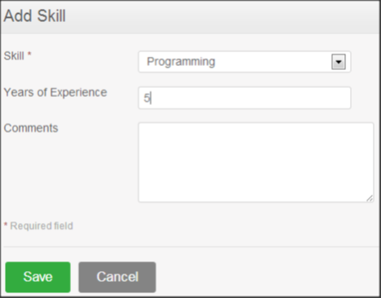

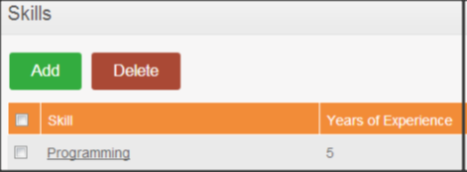

Add Languages
ID |  | Test Summary | Preconditions | Steps to Reproduce | Expected result | Priority | Status
45 | General | "Add Languages" block is shown after clicking on “Qualwhenication” under the “Report To “column |  | 1. Click on the “Qualwhenication” under the “Report To “column | "Add Skill" block is shown | High | Passed
46 |  | "Add Languages" block corresponds to mockup |  | 1. Open "Add Languages" block | "Add Skill" block is corresponded to the mockup | Low | Failed
47 |  | Selected list item is shown as DDM name after clicking on item in opened drop-down list | 1. "Add Languages" block is opened | 1. Click on (Issied By) DDM 2. Select item from DDL | Selected row of list menu is applyed as DDM name | High | Passed
48 |  | Required fields can't be empty ("Languages" and 'Fluency" textboxes) | 1. "Add Languages" block is opened | 1. Make "Languages" textbox empty 2. Make "Fluency" textbox empty | 1. "Languages" textbox can't be empty 2. "Fluency" textbox can't be empty | High | Passed
 |  | Item from "Fluencly" DDM is absent after adding this item previosly using same language | 1. "Add Languages" block is opened 2. "Language" and "Fluencly" are added | 1. Select languge in "Language" DDM (same that was added earlier) 2. Click on the "Fluencly" | Added "Fluencly" is absent in "Fluencly" DDM | Medium | Passed
49 | Changes | "Add Languages" changes are saved |  | 1. Change textfield data 2. Click "Save" button | 1. Changes are saved | High | Passed
50 |  | "Add Languages" changes are shown at the Add Languages records block | 1. Changes are saved | 1. Open "Add Skill" block | 1. Changes are shown | High | Passed
51 |  | "Add Languages" changes can be canceled |  | 1. Change textfield data 2. Click "Cancel" button | Changes are canceled | Medium | Passed
Languages
52 | General | "Languages" block is shown after clicking "Save" button at the "AddLanguages" block page | 1. Changes are valid at the "Add Languages" block page |  | 1. Click "Save" button at the "Add Languages" block page | High | Passed
53 |  | Message error is shown when trying to delete without selected checkboxes |  | 1. Click on the "Delete" button | Message error (Ex. NO selecting checkboxes) is shown | Low | Passed
54 |  | "Edit Languages" block is shown after clicking on Language's name | 1. "Languages" block is opened | 1. Click on the "Languages" name | "Edit Languages" block is show | Low | Passed
55 |  | All checkboxes are enabled\disabled after clicking on header checkbox | 1. "Languages" block is opened | 1. Click on header checkbox 2. Repeat step1 | 1. All checkboxes are enabled 2. All checkboxes are disabled | Low | Passed
56 | Adding | User can adds skills information in Skill records |  | 1. Click on the "Add" button 2. Complete fields at the "Add Languages" block page 3. Click on "Save" button at the "Add Languages" block page | Languages records are added | High | Passed
57 | Deleting | Entry is could be deleted | 1. "Languages" block is shown 2. Entry is added | 1. Select an entry 2. Click on the "Delete" button | Entry is deleted | High | Passed
58 |  | Multiple entries can be deleted at the same time | 1. "Languages" block is shown 2. More than 1 entries are added | 1. Select more than 1 entries 2. Click on the "Delete" button | Multiple entries are deleted | Medium | Passed
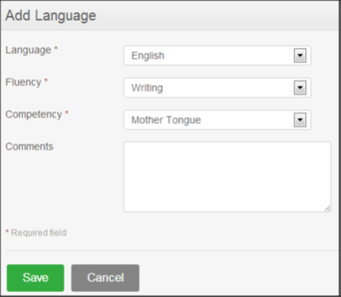

Add Licence
ID |  | Test Summary | Preconditions | Steps to Reproduce | Expected result | Priority | Status
59 | General | "Add Languages" block is shown after clicking on “Qualwhenication” under the “Report To “column |  | 1. Click on the “Qualwhenication” under the “Report To “column | "Add Licence" block is shown | High | Passed
60 |  | "Add Licence" block corresponds to mockup |  | 1. Open "Add Licence" block | "Add Licence" block is corresponded to the mockup | Low | Failed
61 |  | Selected list item is shown as DDM name after clicking on item in opened drop-down list | 1. "Add Licence" block is opened | 1. Click on (Issied By) DDM 2. Select item from DDL | Selected row of list menu is applyed as DDM name | High | Passed
62 |  | Required fields can't be empty ("Languages" and 'Fluency" textboxes) | 1. "Add Licence" block is opened | 1. Make "Languages" textbox empty 2. Make "Fluency" textbox empty | 1. "Languages" textbox can't be empty 2. "Fluency" textbox can't be empty | High | Passed
 | License Type * | User cannot add a previosly added "License Type*" | 1. "Add Licence" block is opened | 1. Try to add a previosly added "License Type *" | "License Type *" cannot be added 2 times | Medium | Passed
63 | Changes | "Add Licence" changes are saved |  | 1. Change textfield data 2. Click "Save" button | 1. Changes are saved | High | Passed
64 |  | "Add Licence" changes are shown at the Add Languages records block | 1. Changes are saved | 1. Open "Add Licence" block | 1. Changes are shown | High | Passed
65 |  | "Add Licence" changes can be canceled |  | 1. Change textfield data 2. Click "Cancel" button | Changes are canceled | Medium | Passed
Licence
66 | General | "Licence" block is shown after clicking "Save" button at the "AddLanguages" block page | 1. Changes are valid at the "Add Licence" block page |  | 1. Click "Save" button at the "Add Languages" block page | High | Passed
67 |  | Message error is shown when trying to delete without selected checkboxes |  | 1. Click on the "Delete" button | Message error (Ex. NO selecting checkboxes) is shown | Low | Passed
68 |  | "Edit Licence" is shown after clicking on License's name | 1. "Licence" block is opened | 1. Click on the "License's" name | "Edit Licence" is shown | Low | Passed
69 |  | All checkboxes are enabled\disabled after clicking on header checkbox | 1. "Licence" block is opened | 1. Click on header checkbox 2. Repeat step1 | 1. All checkboxes are enabled 2. All checkboxes are disabled | Low | Passed
70 | Adding | User can adds licence information in Licence records |  | 1. Click on the "Add" button 2. Complete fields at the "Add Licence block page 3. Click on "Save" button at the "Add Licence" block page | Licence records are added | High | Passed
71 | Deleting | Entry is could be deleted | 1. "Licence" block is shown 2. Entry is added | 1. Select an entry 2. Click on the "Delete" button | Entry is deleted | High | Passed
72 |  | Multiple entries can be deleted at the same time | 1. "Licence" block is shown 2. More than 1 entries are added | 1. Select more than 1 entries 2. Click on the "Delete" button | Multiple entries are deleted | Medium | Passed

3.1.11 Membership
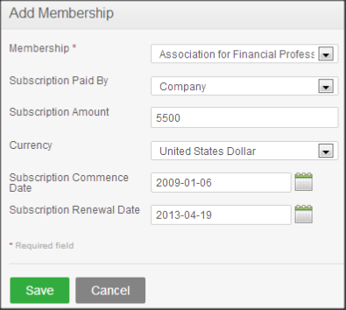
...
Add Membership
5 |  | "Delete" button inactive when trying to delete without selected checkboxes |  | 1. Click on the "Delete" button | "Delete" button inactive | Low | Passed
6 |  | Following fields according to the upload file ●Membership, ●Subscriotion paid By ●Subscription Amount, ●Currency, ●Subscription Commence Date ●Subscription Renewal date | 1. "Assigned Memberships" block is opened | 1. Add Membership 2. Check that following fields accroding to the uploaded file ●Membership, ●Subscriotion paid By ●Subscription Amount, ●Currency, ●Subscription Commence Date ●Subscription Renewal date | Fields according to the uploaded file | Medium | Passed
7 | Adding | User can adds dependent in Membership records |  | 1. Click on the "Add" button 2. Complete fields at the "Add Assigned Membership" block page 3. Click on "Save" button at the "Add Assigned Memberships" block page | Membership records are added | High | Passed
8 |  | доб аналогичный |  |  |  |  | Passed
9 | Editing | "Edit Assigned Memberships" block is shown after clicking on Memberships name | 1.Entry is added | 1. Click on Memberships name of added entry | "Edit Assigned Memberships" block is shown | Medium | Passed
10 |  | User's changes are saved after editing added Assigned Memberships entry | 1.Entry is added | 1. Click on Memberships name of added entry 2. Make changes 2. Click on the "Save" button | Memberships changes are saved "Edit Assigned Memberships" block is absent | Medium | Passed
11 |  | User's changes can be canceled | 1.Entry is added | 1. Click on Assigned Membershipss name of added entry 2. Make changes 2. Click on the "Cancel" button | User's changes is canceled. "Edit Assigned Memberships" block is absent | Medium | Passed
12 | Deleting | Entry is could be deleted | Entry is added | 1. Select an entry 2. Click on the "Delete" button | Entry is deleted | High | Passed
13 |  | Multiple entries can be deleted at the same time | More than 1 entries are added | 1. Select more than 1 entries 2. Click on the "Delete" button | Multiple entries are deleted | Medium | Passed
14 | Attachment | copy\paste from 3.1.1

